Overall Breakdown
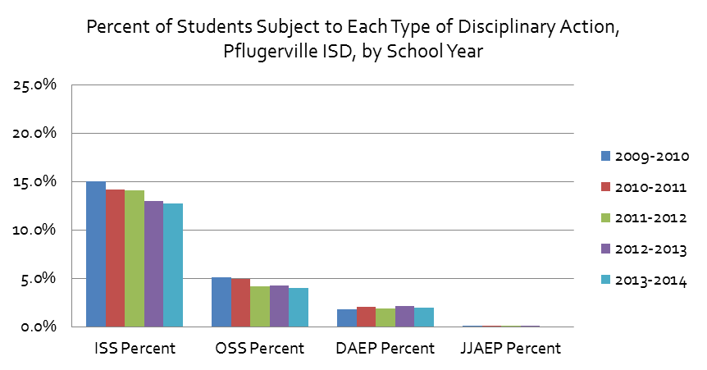
Percent of Students Subject to Each Type of Disciplinary Action, Austin ISD, by School Year
Disciplinary Action Breakdown

 | Austin ISD Breakdown of Disciplinary Actions

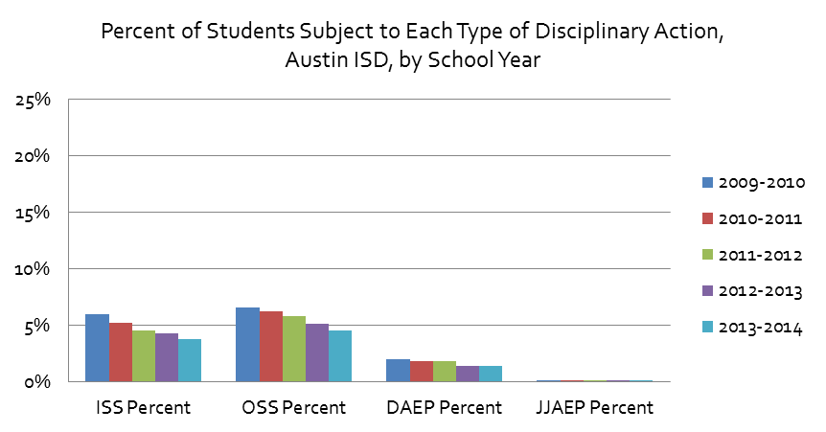
 |  | Total | ISS Percent | OSS Percent | DAEP Percent | JJAEP Percent
 | 2009-2010 |  | 6% | 7% | 2% | 0%
 | 2010-2011 |  | 5.2% | 6.2% | 1.9% | 0.1%
 | 2011-2012 |  | 4.5% | 5.8% | 1.8% | 0.1%
 | 2012-2013 |  | 4.3% | 5.1% | 1.4% | 0.0%
 | 2013-2014 | 6.9% | 3.8% | 4.5% | 1.4% | 0.0%
 | 2014-2015 | 6.4% | 3.5% | 4.3% | 1.3% | 0.0%
 | 2015-2016 | 6.0% | 3.5% | 4.0% | 1.2% | 0.0%
 | 2016-2017 | 6.1% | 3.8% | 3.6% | 1.2% | 0.0%
 | 2017-2018 | 6.1% | 4.1% | 3.5% | 1.1% | 0.0%
 | 2018-2019 | 5.8% | 3.9% | 3.2% | 1.1% | 0.0%

 | Note: Percentages are the count of students subject to a particular disciplinary action divided by the district cumulative year-end enrollement
 | AISD student and discipline actions by race and gender (percentage based on students, not actions)
Percent of Students Subject to Each Type of Disciplinary Action, Del Valle ISD, by School Year
 | 2013-2014 | 2014-2015 | 2015-2016 | 2016-2017 | 2017-2018 | 2018-2019
ISS Percent | 19.0% | 17.6% | 14.3% | 14.9% | 13.2% | 8.6%
OSS Percent | 7.2% | 6.7% | 5.6% | 5.8% | 5.7% | 5.0%
DAEP Percent | 3.3% | 3.3% | 1.8% | 1.8% | 1.9% | 2.2%
JJAEP Percent |  | 0.0% | 0.0% | 0.0% | 0.1% | 0.2%
 | Source: Texas Education Agency, Discipline Data Products, Discipline Reports: http://ritter.tea.state.tx.us/adhocrpt/Disciplinary_Data_Products/Disciplinary_Data_Products.html
 | Total students (and total by race) represents Cumulative Year-End Enrollment and may differ from other estimates of the total student populations, including among other Texas Education Agency reports, such as the Texas Academic Performance Reports (TAPR measures enrollment on a given day in October of each year)
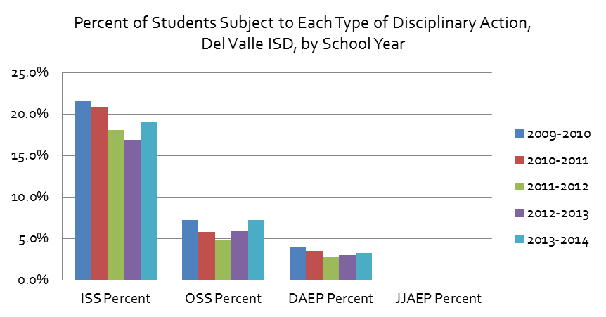

 | Del Valle ISD Breakdown of Disciplinary Actions

 |  | Total | ISS Percent | OSS Percent | DAEP Percent | JJAEP Percent
 | 2009-2010 |  | 21.6% | 7.2% | 4.0%
 | 2010-2011 |  | 20.9% | 5.8% | 3.5% | 0.0%
 | 2011-2012 |  | 18.1% | 4.8% | 2.8%
 | 2012-2013 |  | 16.9% | 5.9% | 3.0%
 | 2013-2014 | 21.6% | 19.0% | 7.2% | 3.3%
 | 2014-2015 | 19.6% | 17.6% | 6.7% | 3.3% | 0.0%
 | 2015-2016 | 15.8% | 14.3% | 5.6% | 1.8% | 0.0%
 | 2016-2017 | 16.5% | 14.9% | 5.8% | 1.8% | 0.0%
 | 2017-2018 | 15.2% | 13.2% | 5.7% | 1.9% | 0.1%
 | 2018-2019 | 11.3% | 8.6% | 5.0% | 2.2% | 0.2%

 | Eanes ISD Breakdown of Disciplinary Actions
Percent of Students Subject to Each Type of Disciplinary Action, Eanes ISD, by School Year
 | 2013-2014 | 2014-2015 | 2015-2016 | 2016-2017 | 2017-2018 | 2018-2019
ISS Percent | 1.9% | 2.3% | 2.1% | 2.4% | 2.7% | 2.3%
OSS Percent | 0.5% | 0.7% | 0.8% | 0.8% | 0.9% | 0.6%
DAEP Percent | 0.5% | 0.4% | 0.5% | 0.3% | 0.3% | 0.3%
JJAEP Percent | 0.0%
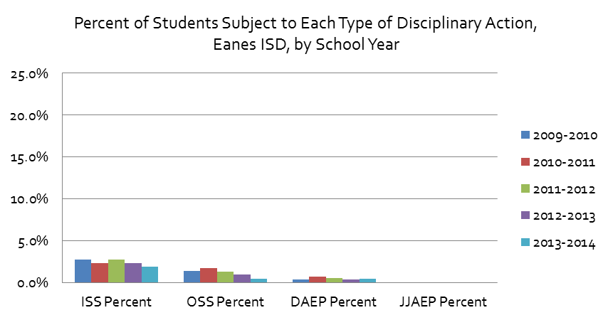
 |  | Total | ISS Percent | OSS Percent | DAEP Percent | JJAEP Percent
 | 2009-2010 |  | 2.8% | 1.5% | 0.4% | 0.0%
 | 2010-2011 |  | 2.4% | 1.7% | 0.8%
 | 2011-2012 |  | 2.7% | 1.3% | 0.6%
 | 2012-2013 |  | 2.4% | 1.0% | 0.4% | 0.0%
 | 2013-2014 |  | 1.9% | 0.5% | 0.5% | 0.0%
 | 2014-2015 | 2.8% | 2.3% | 0.7% | 0.4%
 | 2015-2016 | 2.5% | 2.1% | 0.8% | 0.5%
 | 2016-2017 | 2.8% | 2.4% | 0.8% | 0.3%
 | 2017-2018 | 3.1% | 2.7% | 0.9% | 0.3%
 | 2018-2019 | 2.7% | 2.3% | 0.6% | 0.3%

 | Lago Vista ISD Breakdown of Disciplinary Actions

 |  | Total | ISS Percent | OSS Percent | DAEP Percent | JJAEP Percent
 | 2009-2010 |  | 7.5% | 0.0% | 1.7% | 0.0%
 | 2010-2011 |  | 8.9% |  | 1.2% | 0.0%
Percent of Students Subject to Each Type of Disciplinary Action, Lago Vista ISD, by School Year
 | 2013-2014 | 2014-2015 | 2015-2016 | 2016-2017 | 2017-2018 | 2018-2019
ISS Percent | 9.5% | 9.9% | 10.5% | 6.3% | 8.8% | 10.3%
OSS Percent |  | 1.1% | 2.0% | 2.1% | 1.1% | 2.8%
DAEP Percent | 1.0% | 0.8% | 2.1% | 0.8% | 1.3% | 2.1%
JJAEP Percent | 0.0%
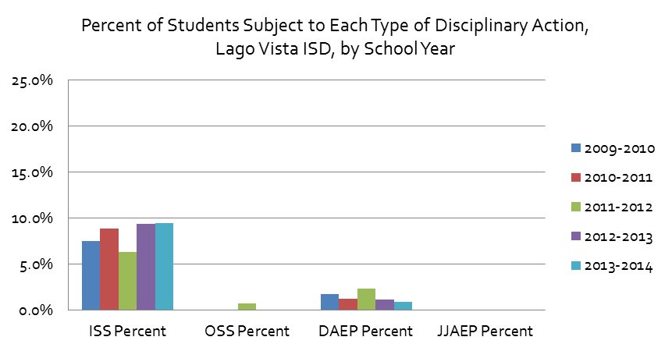
 | 2011-2012 |  | 6.4% | 0.7% | 2.3% | 0.0%
 | 2012-2013 |  | 9.4% |  | 1.2% | 0.0%
 | 2013-2014 |  | 9.5% |  | 1.0% | 0.0%
 | 2014-2015 | 10.3% | 9.9% | 1.1% | 0.8%
 | 2015-2016 | 11.6% | 10.5% | 2.0% | 2.1%
 | 2016-2017 | 7.0% | 6.3% | 2.1% | 0.8%
 | 2017-2018 | 9.3% | 8.8% | 1.1% | 1.3%
 | 2018-2019 | 11.3% | 10.3% | 2.8% | 2.1%

 | Leander ISD Breakdown of Disciplinary Actions

 |  | Total | ISS Percent | OSS Percent | DAEP Percent | JJAEP Percent
 | 2009-2010 |  | 6.7% | 0.5% | 1.4% | 0.1%
 | 2010-2011 |  | 6.3% | 0.4% | 1.3% | 0.1%
 | 2011-2012 |  | 5.7% | 0.5% | 1.2% | 0.1%
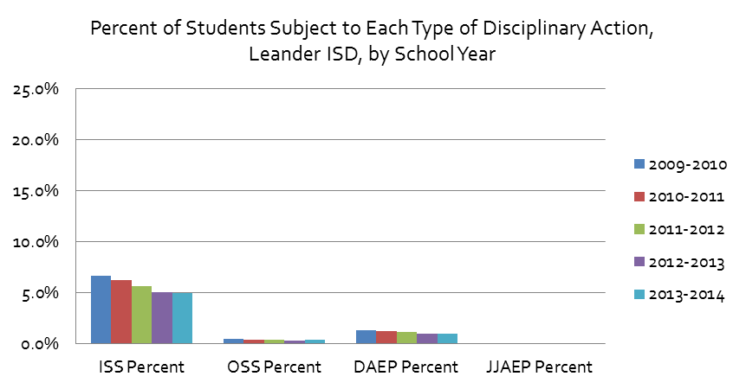
 | 2012-2013 |  | 5.0% | 0.4% | 1.0% | 0.0%
 | 2013-2014 | 5.1% | 5.0% | 0.4% | 1.0% | 0.1%
Percent of Students Subject to Each Type of Disciplinary Action, Leander ISD, by School Year
 | 2014-2015 | 5.0% | 4.8% | 0.4% | 1.0% | 0.1%
 | 2015-2016 | 5.0% | 4.8% | 0.4% | 0.9% | 0.1%
 | 2016-2017 | 5.3% | 5.1% | 0.3% | 0.9% | 0.1%
 | 2017-2018 | 6.1% | 5.9% | 0.5% | 1.0% | 0.1%
 | 2018-2019 | 5.8% | 5.6% | 0.5% | 1.0% | 0.1%

 | Lake Travis ISD Breakdown of Disciplinary Actions

 |  | Total | ISS Percent | OSS Percent | DAEP Percent | JJAEP Percent
 | 2009-2010 |  | 6.2% | 1.2% | 1.3% | 0.1%
 | 2010-2011 |  | 5.6% | 1.2% | 1.0% | 0.1%
Percent of Students Subject to Each Type of Disciplinary Action, Lake Travis ISD, by School Year
 | 2013-2014 | 2014-2015 | 2015-2016 | 2016-2017 | 2017-2018 | 2018-2019
ISS Percent | 4.4% | 4.3% | 3.7% | 4.1% | 2.6% | 3.1%
OSS Percent | 0.5% | 0.5% | 0.7% | 0.6% | 0.8% | 1.0%
DAEP Percent | 0.7% | 0.6% | 0.6% | 0.4% | 0.4% | 0.3%
JJAEP Percent
 | 2011-2012 |  | 4.7% | 0.8% | 1.0%
 | 2012-2013 |  | 4.2% | 0.8% | 1.0% | 0.1%
 | 2013-2014 | 5% | 4.4% | 0.5% | 0.7%
 | 2014-2015 | 4.7% | 4.3% | 0.5% | 0.6%
 | 2015-2016 | 4.2% | 3.7% | 0.7% | 0.6%
 | 2016-2017 | 4.4% | 4.1% | 0.6% | 0.4%
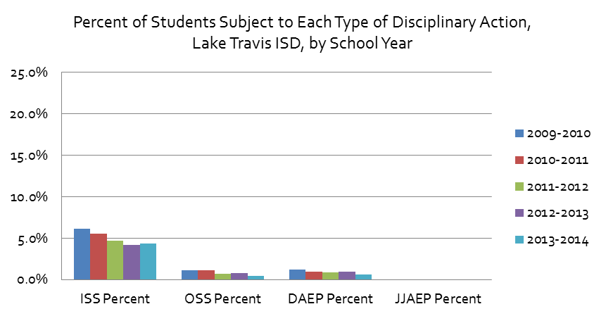
 | 2017-2018 | 3.3% | 2.6% | 0.8% | 0.4%
 | 2018-2019 | 3.9% | 3.1% | 1.0% | 0.3%

 | Manor ISD Breakdown of Disciplinary Actions

 |  | Total | ISS Percent | OSS Percent | DAEP Percent | JJAEP Percent
 | 2009-2010 |  | 13.2% | 7.4% | 2.1%
 | 2010-2011 |  | 11.0% | 6.2% | 2.6%
 | 2011-2012 |  | 13.2% | 7.4% | 2.5% | 0.0%
 | 2012-2013 |  | 11.2% | 5.6% | 2.4% | 0.0%
 | 2013-2014 |  | 8.9% | 4.6% | 2.2% | 0.0%
 | 2014-2015 | 11.0% | 8.8% | 4.4% | 2.0%
 | 2015-2016 | 12.0% | 9.8% | 4.2% | 2.6%
 | 2016-2017 | 12.4% | 9.6% | 5.7% | 1.3%
 | 2017-2018 | 16.0% | 13.0% | 7.2% | 1.6%
 | 2018-2019 | 14.6% | 11.9% | 6.6% | 1.2%
Percent of Students Subject to Each Type of Disciplinary Action, Manor ISD, by School Year
 | 2013-2014 | 2014-2015 | 2015-2016 | 2016-2017 | 2017-2018 | 2018-2019
ISS Percent | 8.9% | 8.8% | 9.8% | 9.6% | 13.0% | 11.9%
OSS Percent | 4.6% | 4.4% | 4.2% | 5.7% | 7.2% | 6.6%
DAEP Percent | 2.2% | 2.0% | 2.6% | 1.3% | 1.6% | 1.2%
JJAEP Percent | 0.0%
 | Pflugerville ISD Breakdown of Disciplinary Actions

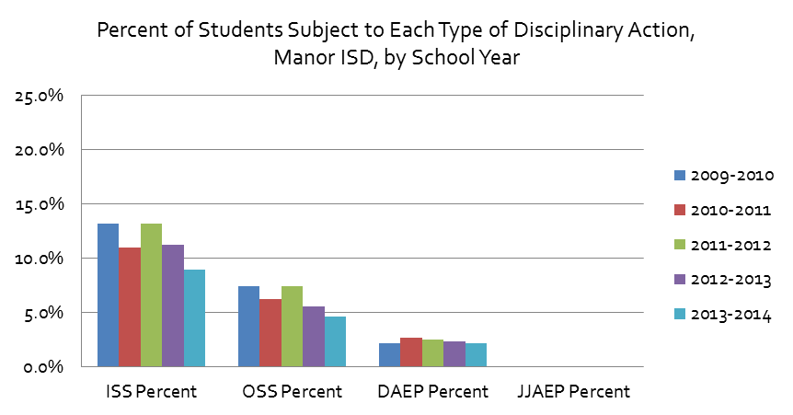
 |  | Total | ISS Percent | OSS Percent | DAEP Percent | JJAEP Percent
 | 2009-2010 |  | 15.0% | 5.1% | 1.8% | 0.1%
 | 2010-2011 |  | 14.2% | 5.0% | 2.1% | 0.1%
 | 2011-2012 |  | 14.1% | 4.2% | 1.9% | 0.0%
 | 2012-2013 |  | 13.0% | 4.3% | 2.2% | 0.0%
 | 2013-2014 |  | 12.7% | 4.0% | 2.0%
 | 2014-2015 | 14.0% | 13.1% | 4.4% | 1.6%
 | 2015-2016 | 12.7% | 11.9% | 3.9% | 1.5% | 0.1%
 | 2016-2017 | 12.7% | 12.0% | 3.4% | 1.4% | 0.1%
 | 2017-2018 | 11.0% | 10.2% | 3.6% | 1.4% | 0.1%
 | 2018-2019 | 10.9% | 10.1% | 4.0% | 1.6%

Percent of Students Subject to Each Type of Disciplinary Action, Pflugerville ISD, by School Year
 | 2013-2014 | 2014-2015 | 2015-2016 | 2016-2017 | 2017-2018 | 2018-2019
ISS Percent | 12.7% | 13.1% | 11.9% | 12.0% | 10.2% | 10.1%
OSS Percent | 4.0% | 4.4% | 3.9% | 3.4% | 3.6% | 4.0%
DAEP Percent | 2.0% | 1.6% | 1.5% | 1.4% | 1.4% | 1.6%
JJAEP Percent |  |  | 0.1% | 0.1% | 0.1%

Race by District
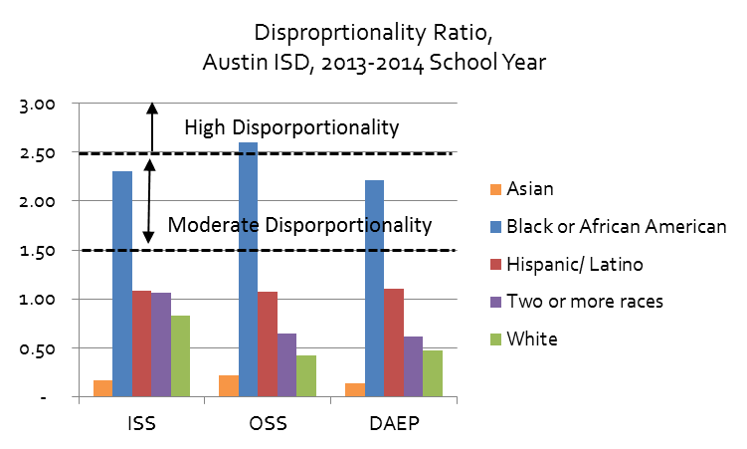
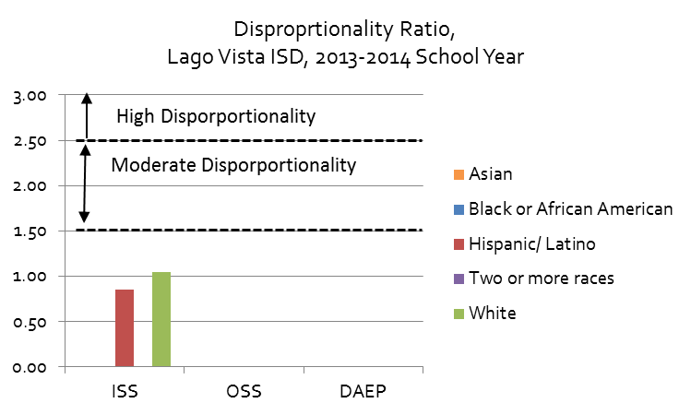
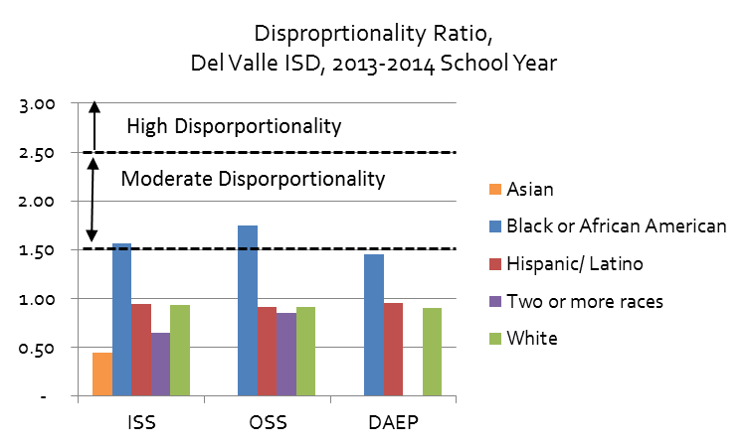
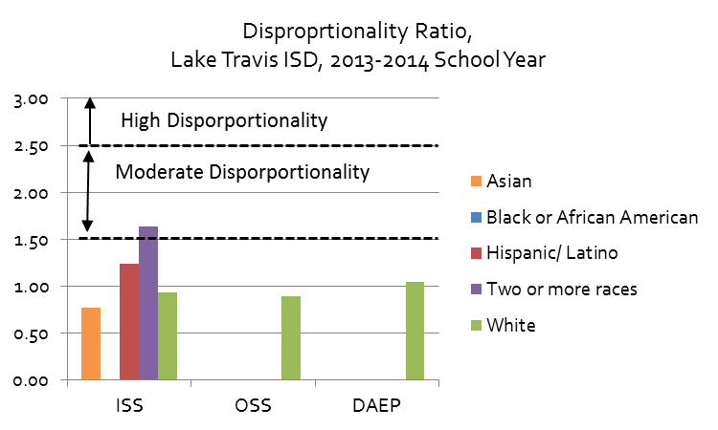
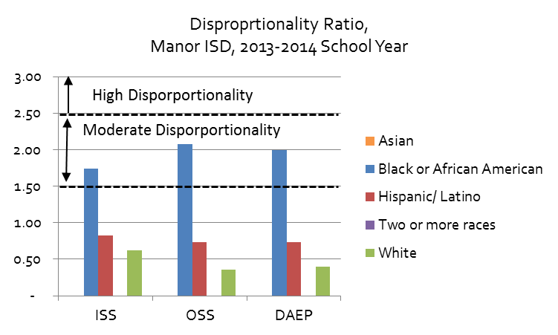
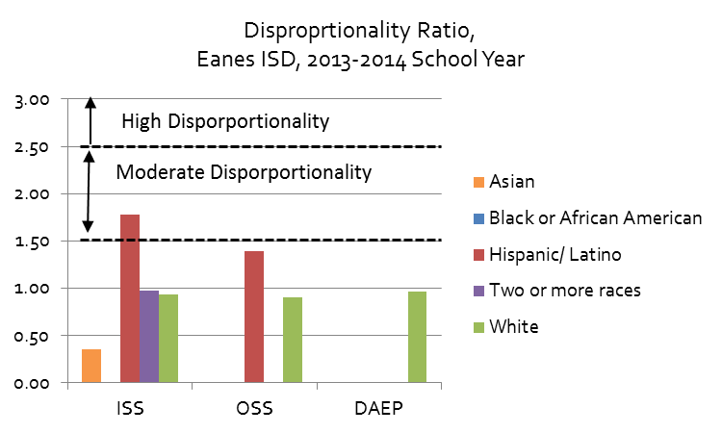
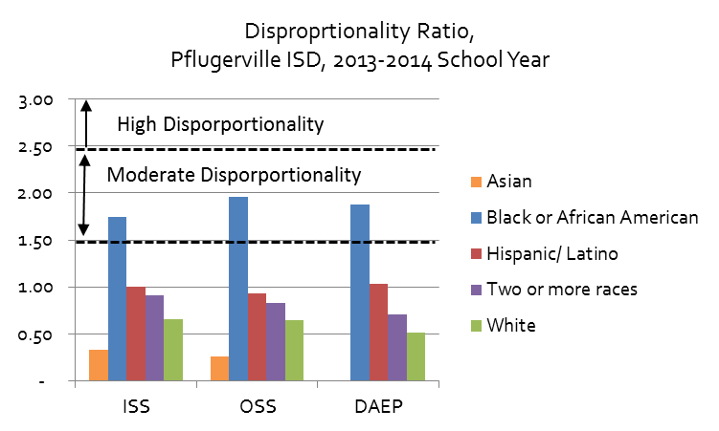
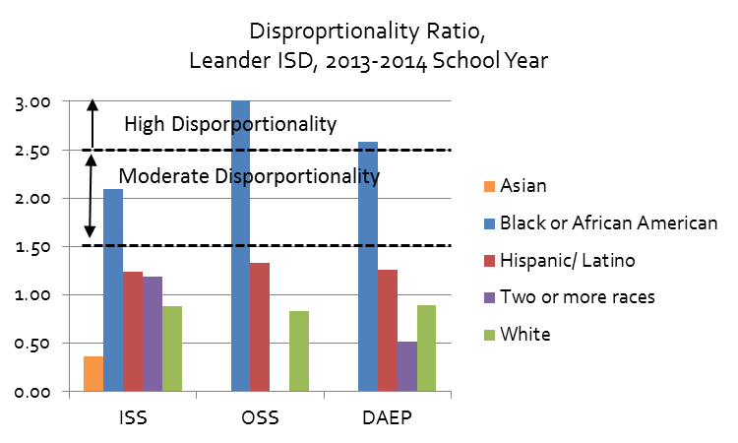
Student Discipline by Race and Ethnicity
Source: Texas Education Agency, Discipline Data Products, Discipline Action Group Summary Reports: https://rptsvr1.tea.texas.gov/adhocrpt/Disciplinary_Data_Products/DAG_Summaries/Download_DAG_District_Summaries.html
Note: Percentages represent count of students subject to a disciplinary action at some point during the school year, rather than distinct disciplinary actions (students may be subject to more than one type of disciplinary action, or a given type of action more than once, during the school year)
Total students (and total by race) represents Cumulative Year-End Enrollment and may differ from other estimates of the total student populations, including among other Texas Education Agency reports, such as the Texas Academic Performance Reports (TAPR measures enrollment on a given day in October of each year)

Percent of Students of Each Racial or Ethnic Group Subject to Each Type of Disciplinary Action at Some Point During the School Year |  |  |  |  |  |  |  |  |  |  |  |  |  |  |  |  |  |  |  |  |  |  |  |  |  |  |  |  |  |  |  |  |  |  | Percent of Students of Each Racial or Ethnic Group Subject to Each Type of Disciplinary Action at Some Point During the School Year

 | Austin ISD, 2018-2019 |  |  |  |  | Del Valle ISD, 2018-2019 |  |  |  |  | Eanes ISD, 2018-2019 |  |  |  |  |  | Leander ISD, 2018-2019 |  |  |  |  |  | Lago Vista ISD, 2018-2019 |  |  |  |  |  | Lake Travis ISD, 2018-2019 |  |  |  |  |  |  | Manor ISD, 2018-2019 |  |  |  |  |  | Pflugerville ISD, 2018-2019

 |  | ISS Percent | OSS Percent | DAEP Percent | JJAEP Percent |  | ISS Percent | OSS Percent | DAEP Percent | JJAEP Percent |  | ISS Percent | OSS Percent | DAEP Percent | JJAEP Percent |  |  | ISS Percent | OSS Percent | DAEP Percent | JJAEP Percent |  |  | ISS Percent | OSS Percent | DAEP Percent | JJAEP Percent |  |  | ISS Percent | OSS Percent | DAEP Percent | JJAEP Percent |  |  |  | ISS Percent | OSS Percent | DAEP Percent | JJAEP Percent |  |  | ISS Percent | OSS Percent | DAEP Percent | JJAEP Percent
 | Asian | 1.01% | 0.61% |  | 0.00% | Asian |  |  |  | 0.00% | Asian |  |  | 0.00% | 0.00% |  | Asian | 1.38% |  |  |  |  | Asian | 0.00% | 0.00% |  | 0.00% |  | Asian |  |  |  | 0.00% |  |  | Asian |  |  |  | 0.00% |  | Asian | 2.93% | 0.88% |  | 0.00%
 | Black or African American | 8.03% | 7.57% | 2.29% |  | Black or African American | 14.03% | 8.53% | 2.65% |  | Black or African American |  | 0.00% | 0.00% | 0.00% |  | Black or African American | 12.15% | 2.03% | 2.46% |  |  | Black or African American |  | 0.00% | 0.00% |  |  | Black or African American | 6.59% |  |  |  |  |  | Black or African American | 16.24% | 11.49% | 2.20% |  |  | Black or African American | 17.72% | 7.76% | 2.63%
 | Hispanic/ Latino | 4.43% | 3.65% | 1.30% | 0.05% | Hispanic/ Latino | 8.14% | 4.73% | 2.25% |  | Hispanic/ Latino | 3.82% |  |  | 0.00% |  | Hispanic/ Latino | 6.48% | 0.65% | 1.20% |  |  | Hispanic/ Latino | 8.23% | 3.34% |  | 0.00% |  | Hispanic/ Latino | 4.30% | 1.68% | 0.53% | 0.00% |  |  | Hispanic/ Latino | 11.06% | 5.42% | 0.97% | 0.00% |  | Hispanic/ Latino | 10.82% | 4.10% | 1.81%
 | Two or more races | 3.23% | 2.24% | 0.70% |  | Two or more races |  |  |  |  | Two or more races | 2.73% |  |  |  |  | Two or more races | 5.23% | 0.50% | 0.96% |  |  | Two or more races |  | 0.00% | 0.00% |  |  | Two or more races | 2.60% |  |  |  |  |  | Two or more races | 13.47% | 6.73% |  |  |  | Two or more races | 8.22% | 3.71% | 1.29%
 | White | 2.44% | 1.55% | 0.52% |  | White | 6.57% | 3.19% |  |  | White | 2.32% | 0.67% | 0.27% |  |  | White | 5.38% | 0.42% | 0.94% |  |  | White | 11.08% | 2.94% | 2.34% |  |  | White | 2.91% | 0.78% | 0.22% |  |  |  | White | 11.47% | 5.93% |  |  |  | White | 5.91% | 2.48% | 0.83%
 | All Students | 3.95% | 3.17% | 1.09% | 0.04% | All Students | 8.56% | 4.97% | 2.25% |  | All Students | 2.32% | 0.60% | 0.25% | 0.00% |  | All Students | 5.61% | 0.53% | 1.01% | 0.05% |  | All Students | 10.30% | 2.85% | 2.12% | 0.00% |  | All Students | 3.10% | 0.98% | 0.31% | 0.00% |  |  | All Students | 11.92% | 6.59% | 1.22% |  |  | All Students | 10.05% | 4.03% | 1.58%

Percent of Students Subject to School Disciplinary Action, Leander ISD, 2018-2019 School Year
 | Asian | Black or African American | Hispanic/ Latino | Two or more races | White | All Students
ISS Percent | 1.38% | 12.15% | 6.48% | 5.23% | 5.38% | 5.61%
OSS Percent |  | 2.03% | 0.65% | 0.50% | 0.42% | 0.53%
DAEP Percent |  | 2.46% | 1.20% | 0.96% | 0.94% | 1.01%
JJAEP Percent |  |  |  |  |  | 0.05%
Percent of Students Subject to School Disciplinary Action, Lago Vista ISD, 2018-2019 School Year
 | Asian | Black or African American | Hispanic/ Latino | Two or more races | White | All Students
ISS Percent | 0.00% |  | 8.23% |  | 11.08% | 10.30%
OSS Percent | 0.00% | 0.00% | 3.34% | 0.00% | 2.94% | 2.85%
DAEP Percent |  | 0.00% |  | 0.00% | 2.34% | 2.12%
JJAEP Percent | 0.00% |  | 0.00% |  |  | 0.00%
Percent of Students Subject to School Disciplinary Action, Austin ISD, 2018-2019 School Year
 | Asian | Black or African American | Hispanic/ Latino | Two or more races | White | All Students
ISS Percent | 1.01% | 8.03% | 4.43% | 3.23% | 2.44% | 3.95%
OSS Percent | 0.61% | 7.57% | 3.65% | 2.24% | 1.55% | 3.17%
DAEP Percent |  | 2.29% | 1.30% | 0.70% | 0.52% | 1.09%
JJAEP Percent | 0.00% |  | 0.05% |  |  | 0.04%
Percent of Students Subject to School Disciplinary Action, Del Valle ISD, 2018-2019 School Year
 | Asian | Black or African American | Hispanic/ Latino | Two or more races | White | All Students
ISS Percent |  | 14.03% | 8.14% |  | 6.57% | 8.56%
OSS Percent |  | 8.53% | 4.73% |  | 3.19% | 4.97%
DAEP Percent |  | 2.65% | 2.25% |  |  | 2.25%
JJAEP Percent | 0.00%
Percent of Students Subject to School Disciplinary Action, Eanes ISD, 2018-2019 School Year
 | Asian | Black or African American | Hispanic/ Latino | Two or more races | White | All Students
ISS Percent |  |  | 3.82% | 2.73% | 2.32% | 2.32%
OSS Percent |  | 0.00% |  |  | 0.67% | 0.60%
DAEP Percent | 0.00% | 0.00% |  |  | 0.27% | 0.25%
JJAEP Percent | 0.00% | 0.00% | 0.00% |  |  | 0.00%
Percent of Students Subject to School Disciplinary Action, Lake Travis ISD, 2018-2019 School Year
 | Asian | Black or African American | Hispanic/ Latino | Two or more races | White | All Students
ISS Percent |  | 6.59% | 4.30% | 2.60% | 2.91% | 3.10%
OSS Percent |  |  | 1.68% |  | 0.78% | 0.98%
DAEP Percent |  |  | 0.53% |  | 0.22% | 0.31%
JJAEP Percent | 0.00% |  | 0.00% |  |  | 0.00%
Percent of Students Subject to School Disciplinary Action, Manor ISD, 2018-2019 School Year
 | Asian | Black or African American | Hispanic/ Latino | Two or more races | White | All Students
ISS Percent |  | 16.24% | 11.06% | 13.47% | 11.47% | 11.92%
OSS Percent |  | 11.49% | 5.42% | 6.73% | 5.93% | 6.59%
DAEP Percent |  | 2.20% | 0.97% |  |  | 1.22%
JJAEP Percent | 0.00% |  | 0.00%
Percent of Students Subject to School Disciplinary Action, Manor ISD, 2018-2019 School Year
 | Asian | Black or African American | Hispanic/ Latino | Two or more races | White | All Students
ISS Percent | 2.93% | 17.72% | 10.82% | 8.22% | 5.91% | 10.05%
OSS Percent | 0.88% | 7.76% | 4.10% | 3.71% | 2.48% | 4.03%
DAEP Percent |  | 2.63% | 1.81% | 1.29% | 0.83% | 1.58%
JJAEP Percent | 0.00%

Number of Students Subject to Each Type of Disciplinary Action |  |  |  |  |  |  |  |  |  |  |  |  |  |  |  |  |  |  |  |  |  |  | Number of Students Subject to Each Type of Disciplinary Action |  |  |  |  |  | Number of Students Subject to Each Type of Disciplinary Action |  |  |  |  |  | Number of Students Subject to Each Type of Disciplinary Action |  |  |  |  |  | Number of Students Subject to Each Type of Disciplinary Action

 | Austin ISD, 2018-2019 |  |  |  |  | Del Valle ISD, 2018-2019 |  |  |  |  |  | Eanes ISD, 2018-2019 |  |  |  |  |  | Leander ISD, 2018-2019 |  |  |  |  |  | Lago Vista ISD, 2018-2019 |  |  |  |  |  | Lake Travis ISD, 2018-2019 |  |  |  |  |  | Manor ISD, 2018-2019 |  |  |  |  |  | Pflugerville ISD, 2018-2019

 |  | ISS | OSS | DAEP | JJAEP |  | ISS | OSS | DAEP | JJAEP |  |  | ISS | OSS | DAEP | JJAEP |  |  | ISS | OSS | DAEP | JJAEP |  |  | ISS | OSS | DAEP | JJAEP |  |  | ISS | OSS | DAEP | JJAEP |  |  | ISS | OSS | DAEP | JJAEP |  |  | ISS | OSS | DAEP | JJAEP
 | Asian | 38 | 23 |  | - | Asian |  |  |  | - |  | Asian |  |  | - | - |  | Asian | 49 |  |  |  |  | Asian | - | - | - | - |  | Asian |  |  | - | - |  | Asian |  |  |  | - |  | Asian | 63 | 19 |  | -
 | Black or African American | 525 | 495 | 150 |  | Black or African American | 148 | 90 | 28 |  |  | Black or African American |  | - | - | - |  | Black or African American | 222 | 37 | 45 |  |  | Black or African American |  | - | - |  |  | Black or African American | 11 |  |  |  |  | Black or African American | 339 | 240 | 46 |  |  | Black or African American | 760 | 333 | 113 | -
 | Hispanic/ Latino | 2,128 | 1,756 | 623 | 25 | Hispanic/ Latino | 823 | 478 | 227 |  |  | Hispanic/ Latino | 41 |  |  | - |  | Hispanic/ Latino | 707 | 71 | 131 |  |  | Hispanic/ Latino | 32 | 13 |  | - |  | Hispanic/ Latino | 97 | 38 | 12 | - |  | Hispanic/ Latino | 739 | 362 | 65 | - |  | Hispanic/ Latino | 1,432 | 543 | 240
 | Two or more races | 88 | 61 | 19 |  | Two or more races |  |  |  |  |  | Two or more races | 11 |  |  | - |  | Two or more races | 114 | 11 | 21 |  |  | Two or more races |  | - | - |  |  | Two or more races | 14 |  |  |  |  | Two or more races | 40 | 20 |  |  |  | Two or more races | 102 | 46 | 16
 | White | 596 | 380 | 128 |  | White | 35 | 17 |  |  |  | White | 131 | 38 | 15 | - |  | White | 1,254 | 98 | 220 |  |  | White | 128 | 34 | 27 |  |  | White | 216 | 58 | 16 |  |  | White | 89 | 46 |  |  |  | White | 365 | 153 | 51 | -
 | All Students | 3,383 | 2,722 | 932 | 32 | All Students | 1,026 | 595 | 269 |  |  | All Students | 192 | 50 | 21 | - |  | All Students | 2,354 | 221 | 425 | 21 |  | All Students | 170 | 47 | 35 | - |  | All Students | 344 | 109 | 34 | - |  | All Students | 1,223 | 676 | 125 |  |  | All Students | 2,734 | 1,097 | 429

Students of Given Racial or Ethnic Group, as a Percentage of Total Students Subject to a Given Type of School Discipline

 | Austin ISD, 2018-2019 |  |  |  |  | Del Valle ISD, 2018-2019 |  |  |  |  |  | Eanes ISD, 2018-2019 |  |  |  |  |  | Leander ISD, 2018-2019 |  |  |  |  |  | Lago Vista ISD, 2018-2019 |  |  |  |  |  | Lake Travis ISD, 2013-2014 |  |  |  |  |  | Manor ISD, 2013-2014 |  |  |  |  |  | Pflugerville ISD, 2013-2014

 |  | ISS | OSS | DAEP | JJAEP |  | ISS | OSS | DAEP | JJAEP |  |  | ISS | OSS | DAEP | JJAEP |  |  | ISS | OSS | DAEP | JJAEP |  |  | ISS | OSS | DAEP | JJAEP |  |  | ISS | OSS | DAEP | JJAEP |  |  | ISS | OSS | DAEP | JJAEP |  |  | ISS | OSS | DAEP | JJAEP
 | Asian | 1.12% | 0.84% | 0.00% | 0.00% | Asian | 0.00% | 0.00% | 0.00% |  |  | Asian | 0.00% | 0.00% | 0.00% |  |  | Asian | 2.08% | 0.00% | 0.00% |  |  | Asian | 0.00% | 0.00% | 0.00% |  |  | Asian | 0.00% | 0.00% | 0.00% |  |  | Asian | 0.00% | 0.00% | 0.00% |  |  | Asian | 2.30% | 1.73% | 0.00%
 | Black or African American | 15.52% | 18.19% | 16.09% | 0.00% | Black or African American | 14.42% | 15.13% | 10.41% |  |  | Black or African American | 0.00% | 0.00% | 0.00% |  |  | Black or African American | 9.43% | 16.74% | 10.59% |  |  | Black or African American | 0.00% | 0.00% | 0.00% |  |  | Black or African American | 3.20% | 0.00% | 0.00% |  |  | Black or African American | 27.72% | 35.50% | 36.80% |  |  | Black or African American | 27.80% | 30.36% | 26.34%
 | Hispanic/ Latino | 62.90% | 64.51% | 66.85% | 78.13% | Hispanic/ Latino | 80.21% | 80.34% | 84.39% |  |  | Hispanic/ Latino | 21.35% | 0.00% | 0.00% |  |  | Hispanic/ Latino | 30.03% | 32.13% | 30.82% |  |  | Hispanic/ Latino | 18.82% | 27.66% | 0.00% |  |  | Hispanic/ Latino | 28.20% | 34.86% | 35.29% |  |  | Hispanic/ Latino | 60.43% | 53.55% | 52.00% |  |  | Hispanic/ Latino | 52.38% | 49.50% | 55.94%
 | Two or more races | 2.60% | 2.24% | 2.04% | 0.00% | Two or more races | 0.00% | 0.00% | 0.00% |  |  | Two or more races | 5.73% | 0.00% | 0.00% |  |  | Two or more races | 4.84% | 4.98% | 4.94% |  |  | Two or more races | 0.00% | 0.00% | 0.00% |  |  | Two or more races | 4.07% | 0.00% | 0.00% |  |  | Two or more races | 3.27% | 2.96% | 0.00% |  |  | Two or more races | 3.73% | 4.19% | 3.73%
 | White | 17.62% | 13.96% | 13.73% | 0.00% | White | 3.41% | 2.86% | 0.00% |  |  | White | 68.23% | 76.00% | 71.43% |  |  | White | 53.27% | 44.34% | 51.76% |  |  | White | 75.29% | 72.34% | 77.14% |  |  | White | 62.79% | 53.21% | 47.06% |  |  | White | 7.28% | 6.80% | 0.00% |  |  | White | 13.35% | 13.95% | 11.89%

Overall Student Population |  |  |  |  |  |  |  |  |  |  |  |  |  |  |  |  | Overall Student Population |  |  |  |  |  | Overall Student Population |  |  |  |  |  | Overall Student Population |  |  |  |  |  | Overall Student Population |  |  |  |  |  | Overall Student Population

 | Austin ISD, 2018-2019 |  |  |  |  | Del Valle ISD, 2018-2019 |  |  |  |  |  | Eanes ISD, 2018-2019 |  |  |  |  |  | Leander ISD, 2018-2019 |  |  |  |  |  | Lago Vista ISD, 2018-2019 |  |  |  |  |  | Lake Travis ISD, 2018-2019 |  |  |  |  |  | Manor ISD, 2018-2019 |  |  |  |  |  | Pflugerville ISD, 2018-2019

 |  | Number | Percent |  |  |  | Number | Percent |  |  |  |  | Number | Percent |  |  |  |  | Number | Percent |  |  |  |  | Number | Percent |  |  |  |  | Number | Percent |  |  |  |  | Number | Percent |  |  |  |  | Number | Percent
 | Asian | 3,779 | 4% |  |  | Asian | 83 | 1% |  |  |  | Asian | 1,071 | 13% |  |  |  | Asian | 3,559 | 8% |  |  |  | Asian | 12 | 1% |  |  |  | Asian | 686 | 6% |  |  |  | Asian | 385 | 4% |  |  |  | Asian | 2,147 | 8%
 | Black or African American | 6,536 | 8% |  |  | Black or African American | 1,055 | 9% |  |  |  | Black or African American | 67 | 1% |  |  |  | Black or African American | 1,827 | 4% |  |  |  | Black or African American |  | 0% |  |  |  | Black or African American | 167 | 2% |  |  |  | Black or African American | 2,088 | 20% |  |  |  | Black or African American | 4,290 | 16%
 | Hispanic/ Latino | 48,071 | 56% |  |  | Hispanic/ Latino | 10,109 | 84% |  |  |  | Hispanic/ Latino | 1,073 | 13% |  |  |  | Hispanic/ Latino | 10,909 | 26% |  |  |  | Hispanic/ Latino | 389 | 24% |  |  |  | Hispanic/ Latino | 2,258 | 20% |  |  |  | Hispanic/ Latino | 6,679 | 65% |  |  |  | Hispanic/ Latino | 13,235 | 49%
 | Two or more races | 2,724 | 3% |  |  | Two or more races | 181 | 2% |  |  |  | Two or more races | 403 | 5% |  |  |  | Two or more races | 2,180 | 5% |  |  |  | Two or more races | 74 | 4% |  |  |  | Two or more races | 538 | 5% |  |  |  | Two or more races | 297 | 3% |  |  |  | Two or more races | 1,241 | 5%
 | White | 24,446 | 29% |  |  | White | 533 | 4% |  |  |  | White | 5,651 | 68% |  |  |  | White | 23,295 | 56% |  |  |  | White | 1,155 | 70% |  |  |  | White | 7,413 | 67% |  |  |  | White | 776 | 8% |  |  |  | White | 6,175 | 23%
 | All Students | 85,742 | 100% |  |  | All Students | 11,980 | 100% |  |  |  | All Students | 8,288 | 100% |  |  |  | All Students | 41,938 | 100% |  |  |  | All Students | 1,651 | 100% |  |  |  | All Students | 11,097 | 100% |  |  |  | All Students | 10,258 | 100% |  |  |  | All Students | 27,201 | 100%

Disproportionality Ratios for School Discipline

 | Austin ISD, 2018-2019 |  |  |  |  | Del Valle ISD, 2018-2019 |  |  |  |  |  | Eanes ISD, 2018-2019 |  |  |  |  |  | Leander ISD, 2018-2019 |  |  |  |  |  | Lago Vista ISD, 2018-2019 |  |  |  |  |  | Lake Travis ISD, 2013-2014 |  |  |  |  |  | Manor ISD, 2013-2014 |  |  |  |  |  | Pflugerville ISD, 2013-2014

 |  | ISS | OSS | DAEP |  |  | ISS | OSS | DAEP |  |  |  | ISS | OSS | DAEP |  |  |  | ISS | OSS | DAEP |  |  |  | ISS | OSS | DAEP |  |  |  | ISS | OSS | DAEP |  |  |  | ISS | OSS | DAEP |  |  |  | ISS | OSS | DAEP
 | Asian | 0.25 | 0.19 | - |  | Asian | - | - | - |  |  | Asian | 0.00 | 0.00 | 0.00 |  |  | Asian | 0.25 | 0.00 | 0.00 |  |  | Asian | 0.00 | 0.00 | 0.00 |  |  | Asian | 0.00 | 0.00 | 0.00 |  |  | Asian | - | - | - |  |  | Asian | 0.29 | 0.22 | -
 | Black or African American | 2.04 | 2.39 | 2.11 |  | Black or African American | 1.64 | 1.72 | 1.18 |  |  | Black or African American | 0.00 | 0.00 | 0.00 |  |  | Black or African American | 2.16 | 3.84 | 2.43 |  |  | Black or African American | #DIV/0! | #DIV/0! | #DIV/0! |  |  | Black or African American | 2.12 | 0.00 | 0.00 |  |  | Black or African American | 1.36 | 1.74 | 1.81 |  |  | Black or African American | 1.76 | 1.92 | 1.67
 | Hispanic/ Latino | 1.12 | 1.15 | 1.19 |  | Hispanic/ Latino | 0.95 | 0.95 | 1.00 |  |  | Hispanic/ Latino | 1.65 | 0.00 | 0.00 |  |  | Hispanic/ Latino | 1.15 | 1.24 | 1.18 |  |  | Hispanic/ Latino | 0.80 | 1.17 | 0.00 |  |  | Hispanic/ Latino | 1.39 | 1.71 | 1.73 |  |  | Hispanic/ Latino | 0.93 | 0.82 | 0.80 |  |  | Hispanic/ Latino | 1.08 | 1.02 | 1.15
 | Two or more races | 0.82 | 0.71 | 0.64 |  | Two or more races | - | - | - |  |  | Two or more races | 1.18 | 0.00 | 0.00 |  |  | Two or more races | 0.93 | 0.96 | 0.95 |  |  | Two or more races | 0.00 | 0.00 | 0.00 |  |  | Two or more races | 0.84 | 0.00 | 0.00 |  |  | Two or more races | 1.13 | 1.02 | - |  |  | Two or more races | 0.82 | 0.92 | 0.82
 | White | 0.62 | 0.49 | 0.48 |  | White | 0.77 | 0.64 | - |  |  | White | 1.00 | 1.11 | 1.05 |  |  | White | 0.96 | 0.80 | 0.93 |  |  | White | 1.08 | 1.03 | 1.10 |  |  | White | 0.94 | 0.80 | 0.70 |  |  | White | 0.96 | 0.90 | - |  |  | White | 0.59 | 0.61 | 0.52

Note: JJAEP excluded, due to small numbers and limited data

Disproprtionality Ratio, Austin ISD, 2018-2019 School Year
Moderate Disporportionality
High Disporportionality
Disproprtionality Ratio, Del Valle ISD, 2018-2019 School Year
Disproprtionality Ratio, Eanes ISD, 2018-2019 School Year
Disproprtionality Ratio, Leander ISD, 2018-2019 School Year
Disproprtionality Ratio, Lago Vista ISD, 2018-2019 School Year
Disproprtionality Ratio, Lake Travis ISD, 2018-2019 School Year
Disproprtionality Ratio, Manor ISD, 2018-2019 School Year
Disproprtionality Ratio, Pflugerville ISD, 2018-2019 School Year

ISS Trends
Disciplinary Action Breakdown

 | Austin ISD In-School Suspension
AISD In School Suspensions, Percent of Students by Race
 | 2010-2011 | 2011-2012 | 2012-2013 | 2013-2014
Asian | 1.53% | 0.52% | 0.70% | 0.61%
Black of African American | 10.65% | 8.81% | 9.59% | 8.68%
Hispanic/ Latino | 5.62% | 5.04% | 4.63% | 4.09%
Native Hawaian/Other Pacific | 0.00% | 0.00% | 0.00%
Two or more races | 4.12% | 3.74% | 3.31% | 2.28%
White | 2.53% | 2.19% | 2.12% | 1.83%
All Students | 5.21% | 4.54% | 4.30% | 3.76%
 | AISD students ISS by race for 4 school years
 |  | 2010-2011 | 2011-2012 | 2012-2013 | 2013-2014
 | American Indian or Alaska Native
 | Asian | 1.53% | 0.52% | 0.70% | 0.61%
 | Black of African American | 10.65% | 8.81% | 9.59% | 8.68%
 | Hispanic/ Latino | 5.62% | 5.04% | 4.63% | 4.09%
 | Native Hawaian/Other Pacific | 0.00% | 0.00% | 0.00%
 | Two or more races | 4.12% | 3.74% | 3.31% | 2.28%
 | White | 2.53% | 2.19% | 2.12% | 1.83%
 | All Students | 5.21% | 4.54% | 4.30% | 3.76%

 | Source: Texas Education Agency, Discipline Data Products, Discipline Action Group Summary Reports: http://ritter.tea.state.tx.us/adhocrpt/Disciplinary_Data_Products/Disciplinary_Data_Products.html
 | Note: Percentages Represent Count of Students Subject to a Disciplinary Action as a Percentage of All Students within a Given Group
 | Total students (and total by race) represents Cumulative Year-End Enrollment and may differ from other estimates of the total student populations, including among other Texas Education Agency reports, such as the Texas Academic Performance Reports (TAPR measures enrollment on a given day in October of each year)

By Gender
Disciplinary Action Breakdown
Austin ISD Disciplinary Alternative Education Program Placements, by Sex
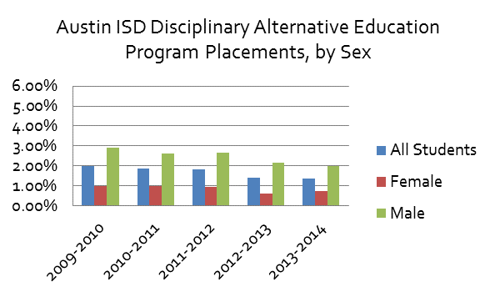
 | AISD Disciplinary Alternative Education Program Placements by Gender

 |  |  | All Students | Female | Male
 |  | 2009-2010 | 1.97% | 0.99% | 2.89%
 |  | 2010-2011 | 1.86% | 1.00% | 2.60%
 |  | 2011-2012 | 1.83% | 0.94% | 2.66%
 |  | 2012-2013 | 1.41% | 0.62% | 2.15%
 |  | 2013-2014 | 1.37% | 0.74% | 1.97%
 |  | 2014-2015
 |  | 2015-2016
 |  | 2016-2017
 |  | 2017-2018
 |  | 2018-2019 | 1.09% | 0.79% | 1.36%

 | Note: Percentages are the count of students subject to a particular disciplinary action divided by the district cumulative year-end enrollement
 | AISD student and discipline actions by race and gender (percentage based on students, not actions)

 | Source: Texas Education Agency, Discipline Data Products, Discipline Action Group Summary Reports: District Level Annual Discipline Summary https://rptsvr1.tea.texas.gov/adhocrpt/Disciplinary_Data_Products/DAG_Summaries/Download_DAG_District_Summaries.html
 | Total students (and total by race) represents Cumulative Year-End Enrollment and may differ from other estimates of the total student populations, including among other Texas Education Agency reports, such as the Texas Academic Performance Reports (TAPR measures enrollment on a given day in October of each year)
Del Valle ISD Disciplinary Alternative Education Program Placements, by Sex
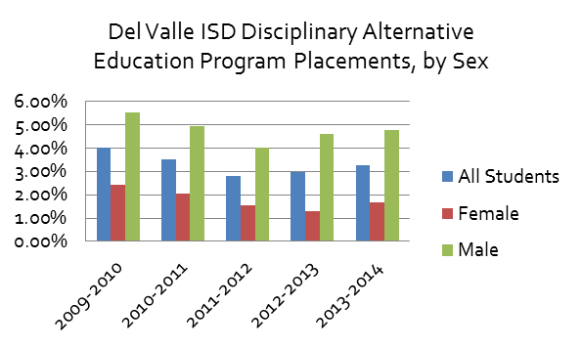

 | Del Valle Disciplinary Alternative Education Program Placements by Gender

 |  |  | All Students | Female | Male
 |  | 2009-2010 | 4.01% | 2.42% | 5.54%
 |  | 2010-2011 | 3.50% | 2.04% | 4.92%
Eanes ISD Disciplinary Alternative Education Program Placements, by Sex
 | All Students | Female | Male
2009-2010 | 0.44% | 0.19% | 0.68%
2010-2011 | 0.75% | 0.53% | 0.95%
2011-2012 | 0.58% | 0.26% | 0.88%
2012-2013 | 0.39%
2013-2014 | 0.47% | 0.31% | 0.61%
 |  | 2011-2012 | 2.81% | 1.56% | 4.00%
 |  | 2012-2013 | 2.98% | 1.31% | 4.59%
 |  | 2013-2014 | 3.25% | 1.67% | 4.77%
 |  | 2014-2015
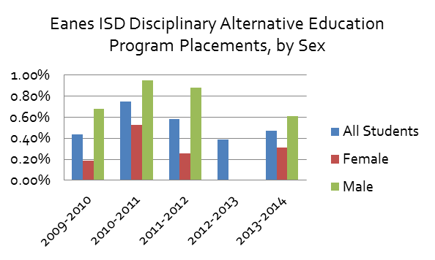
 |  | 2015-2016
 |  | 2016-2017
 |  | 2017-2018
 |  | 2018-2019 | 2.25% | 1.43% | 3.02%

 | Eanes Disciplinary Alternative Education Program Placements by Gender

 |  |  | All Students | Female | Male
 |  | 2009-2010 | 0.44% | 0.19% | 0.68%
 |  | 2010-2011 | 0.75% | 0.53% | 0.95%
 |  | 2011-2012 | 0.58% | 0.26% | 0.88%
Lago Vista Disciplinary Alternative Education Program Placements, by Sex
 | All Students | Female | Male
2009-2010 | 1.74% | 1.82% | 1.68%
2010-2011 | 1.24%
2011-2012 | 2.33% | 1.02% | 3.55%
2012-2013 | 1.18%
2013-2014 | 0.95%
 |  | 2012-2013 | 0.39%
 |  | 2013-2014 | 0.47% | 0.31% | 0.61%
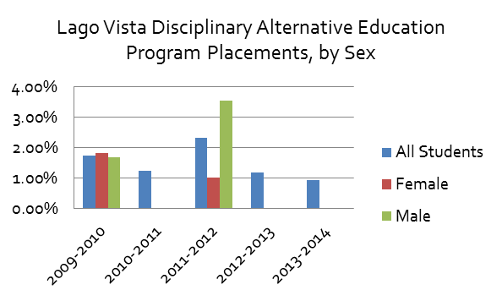
 |  | 2014-2015
 |  | 2015-2016
 |  | 2016-2017
 |  | 2017-2018
 |  | 2018-2019 | 0.25%

 | Lago Vista Disciplinary Alternative Education Program Placements by Gender

 |  |  | All Students | Female | Male
 |  | 2009-2010 | 1.74% | 1.82% | 1.68%
 |  | 2010-2011 | 1.24%
 |  | 2011-2012 | 2.33% | 1.02% | 3.55%
Leander Disciplinary Alternative Education Program Placements, by Sex
 |  | 2012-2013 | 1.18%
 |  | 2013-2014 | 0.95%
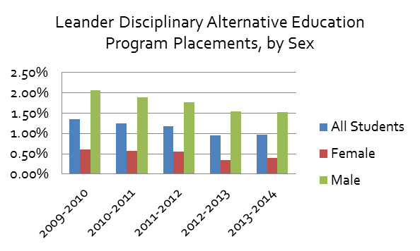
 |  | 2014-2015
 |  | 2015-2016
 |  | 2016-2017
 |  | 2017-2018
 |  | 2018-2019 | 2.12% | 1.73% | 2.45%

 | Leander Disciplinary Alternative Education Program Placements by Gender

 |  |  | All Students | Female | Male
 |  | 2009-2010 | 1.35% | 0.60% | 2.06%
 |  | 2010-2011 | 1.25% | 0.58% | 1.89%
 |  | 2011-2012 | 1.18% | 0.55% | 1.77%
Lake Travis Disciplinary Alternative Education Program Placements, by Sex
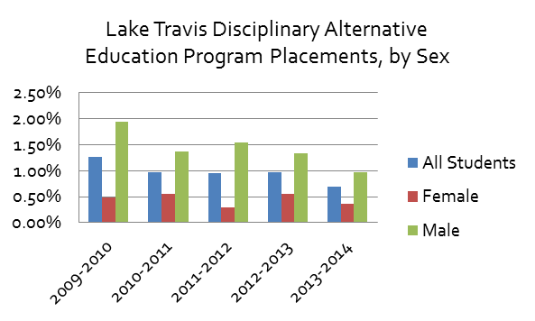
 |  | 2012-2013 | 0.96% | 0.34% | 1.54%
 |  | 2013-2014 | 0.97% | 0.40% | 1.52%
 |  | 2014-2015
 |  | 2015-2016
 |  | 2016-2017
 |  | 2017-2018
 |  | 2018-2019 | 1.01% | 0.51% | 1.49%

 | Lake Travis Disciplinary Alternative Education Program Placements by Gender

 |  |  | All Students | Female | Male
 |  | 2009-2010 | 1.26% | 0.49% | 1.95%
 |  | 2010-2011 | 0.98% | 0.55% | 1.37%
 |  | 2011-2012 | 0.95% | 0.30% | 1.54%
 |  | 2012-2013 | 0.97% | 0.55% | 1.34%
Manor ISD Disciplinary Alternative Education Program Placements, by Sex
 | All Students | Female | Male
2009-2010 | 2.14% | 1.41% | 2.84%
2010-2011 | 2.64% | 1.61% | 3.65%
2011-2012 | 2.51% | 1.61% | 3.41%
2012-2013 | 2.36% |  | 1.36%
2013-2014 | 2.19% | 1.21% | 3.12%
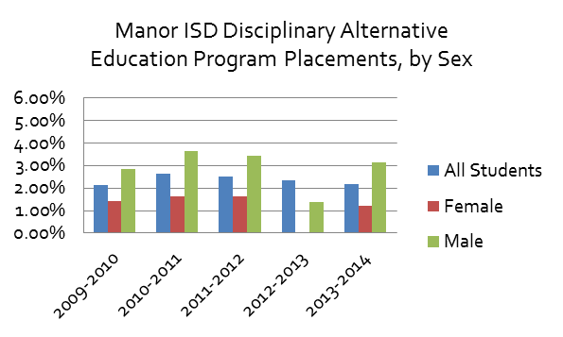
 |  | 2013-2014 | 0.69% | 0.37% | 0.97%
 |  | 2014-2015
 |  | 2015-2016
 |  | 2016-2017
 |  | 2017-2018
 |  | 2018-2019 | 0.31% | 0.23% | 0.38%

 | Manor Disciplinary Alternative Education Program Placements by Gender

 |  |  | All Students | Female | Male
 |  | 2009-2010 | 2.14% | 1.41% | 2.84%
 |  | 2010-2011 | 2.64% | 1.61% | 3.65%
 |  | 2011-2012 | 2.51% | 1.61% | 3.41%
 |  | 2012-2013 | 2.36% |  | 1.36%
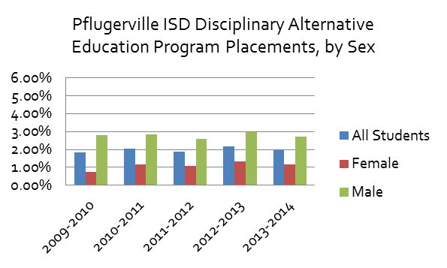
 |  | 2013-2014 | 2.19% | 1.21% | 3.12%
Pflugerville ISD Disciplinary Alternative Education Program Placements, by Sex
 | All Students | Female | Male
2014-2015
2015-2016
2016-2017
2017-2018
2018-2019 | 1.58% | 1.17% | 1.96%
 |  | 2014-2015
 |  | 2015-2016
 |  | 2016-2017
 |  | 2017-2018
 |  | 2018-2019 | 1.22% | 0.85% | 1.57%

 | Pflugerville Disciplinary Alternative Education Program Placements by Gender

 |  |  | All Students | Female | Male
 |  | 2009-2010 | 1.82% | 0.75% | 2.80%
 |  | 2010-2011 | 2.05% | 1.18% | 2.86%
 |  | 2011-2012 | 1.86% | 1.09% | 2.57%
 |  | 2012-2013 | 2.17% | 1.33% | 2.95%
 |  | 2013-2014 | 1.97% | 1.17% | 2.71%
 |  | 2014-2015
 |  | 2015-2016
 |  | 2016-2017
 |  | 2017-2018
 |  | 2018-2019 | 1.58% | 1.17% | 1.96%

Reasons for DAEP Placement
Austin ISD, Top Reasons for Disciplinary Alternative Education Program (DAEP) Placements, By Number of Students, School Year 2013-2014
Disciplinary Action Breakdown

 | AISD Top Reasons for Discipline Actions, DAEP students 2013-2014
 |  | DAEP Students
 | Controlled Substance/Drugs | 694
 | Violated Local Code of Conduct | 261
 | Assault- Non-District Employee | 106
 | Emergency Placement/Expulsion | 96
 | Alcohol Violation | 55

 | Note: Percentages are the count of students subject to a particular disciplinary action divided by the district cumulative year-end enrollement
 | AISD student and discipline actions by race and gender (percentage based on students, not actions)

 | Source: Texas Education Agency, Discipline Data Products, Discipline Action Group Summary Reports: http://ritter.tea.state.tx.us/adhocrpt/Disciplinary_Data_Products/Disciplinary_Data_Products.html
 | Total students (and total by race) represents Cumulative Year-End Enrollment and may differ from other estimates of the total student populations, including among other Texas Education Agency reports, such as the Texas Academic Performance Reports (TAPR measures enrollment on a given day in October of each year)

 |  | Reason | Students | Incidents
 | 3. DAEP | 10-NON-TITLE 5 FELONY-OFF CAMPUS | N/A | N/A
 |  | 12-ILLEGAL KNIFE | N/A | N/A
 |  | 14-PROHIBITED WEAPON | N/A | N/A
 |  | 18-INDECENCY WITH A CHILD | N/A | N/A
 |  | 32-SEXUAL ASSAULT-NONDIST EMPLOYE | N/A | N/A
 |  | 35-FALSE ALARM/FALSE REPORT | N/A | N/A
 |  | 36-FELONY CONTROLLED SUBS VIOLAT | N/A | N/A
 |  | 04-CONTROLLED SUBSTANCE/DRUGS | 694 | 783
 |  | 21-VIOLATED LOCAL CODE OF CONDUCT | 261 | 289
 |  | 28-ASSAULT-NONDISTRICT EMPLOYEE | 106 | 109
 |  | 23-EMERGENCY PLACEMENT/EXPULSION | 96 | 104
 |  | 05-ALCOHOL VIOLATION | 55 | 55
 |  | 26-TERRORISTIC THREAT | 40 | 41
 |  | 27-ASSAULT-DISTRICT EMPLOYEE | 32 | 35
 |  | 41-FIGHTING/MUTUAL COMBAT | 29 | 30
 |  | 09-TITLE 5 FELONY - OFF CAMPUS | 25 | 25
 |  | 02-CONDUCT PUNISHABLE AS A FELONY | 19 | 19
 |  | 07-PUBLIC LEWDNESS/INDCT EXPOSURE | 16 | 16
 |  | 34-SCHOOL-RELATED GANG VIOLENCE | 15 | 15
 |  | 22-CRIMINAL MISCHIEF | 10 | 10
 |  | 50-NON-ILLEGAL KNIFE | 9 | 9
 |  | 08-RETALIATION AGAINST DIST EMPL | 6 | 6
 |  | 46-AGGRAVATED ROBBERY | 5 | 5

Discretionary Removals
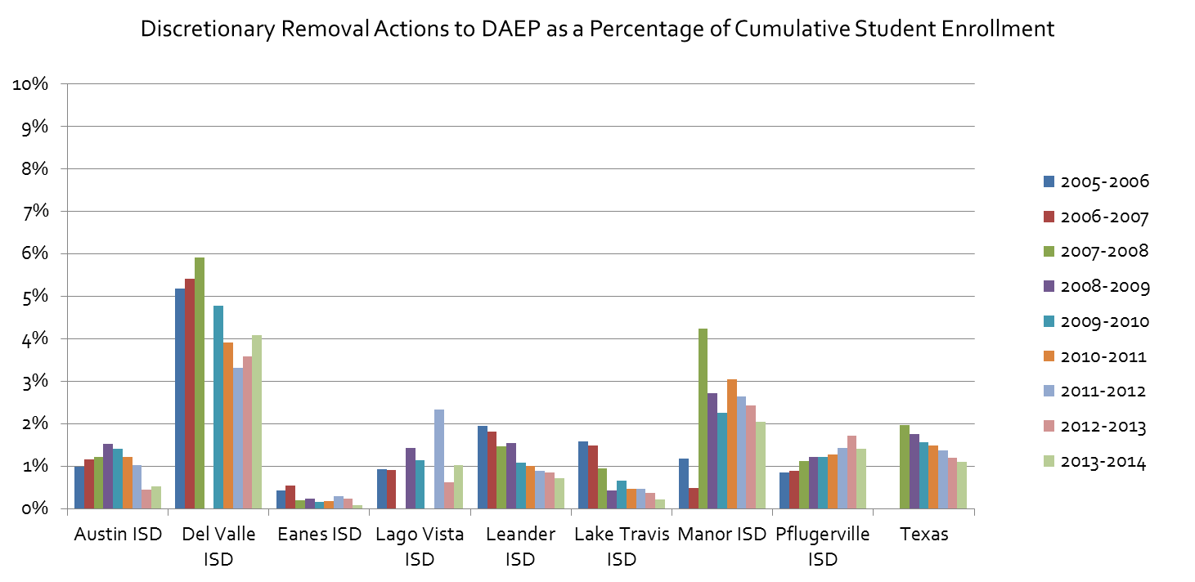
Discretionary Removal Actions to DAEP as a Percentage of Cumulative Student Enrollment |  |  |  |  |  |  |  |  |  | Discretionary Removal Actions to DAEP
 | 2005-2006 | 2006-2007 | 2007-2008 | 2008-2009 | 2009-2010 | 2010-2011 | 2011-2012 | 2012-2013 | 2013-2014 |  | 2005-2006 | 2006-2007 | 2007-2008 | 2008-2009 | 2009-2010 | 2010-2011 | 2011-2012 | 2012-2013 | 2013-2014
Austin ISD | 1.0% | 1.2% | 1.2% | 1.5% | 1.4% | 1.2% | 1.0% | 0.4% | 0.5% | Austin ISD | 883 | 1,039 | 1,078 | 1,370 | 1,284 | 1,107 | 938 | 406 | 469
Del Valle ISD | 5.2% | 5.4% | 5.9% | NA | 4.8% | 3.9% | 3.3% | 3.6% | 4.1% | Del Valle ISD | 496 | 532 | 610 | NA | 546 | 471 | 407 | 449 | 530
Eanes ISD | 0.4% | 0.6% | 0.2% | 0.2% | 0.2% | 0.2% | 0.3% | 0.2% | 0.1% | Eanes ISD | 31 | 41 | 15 | 18 | 12 | 14 | 23 | 18 | 7
Lago Vista ISD | 0.9% | 0.9% | NA | 1.4% | 1.1% | NA | 2.3% | 0.6% | 1.0% | Lago Vista ISD | 12 | 12 | NA | 19 | 15 | NA | 33 | 9 | 15
Leander ISD | 2.0% | 1.8% | 1.5% | 1.5% | 1.1% | 1.0% | 0.9% | 0.9% | 0.7% | Leander ISD | 465 | 472 | 415 | 462 | 349 | 337 | 312 | 307 | 265
Lake Travis ISD | 1.6% | 1.5% | 0.9% | 0.4% | 0.7% | 0.5% | 0.5% | 0.4% | 0.2% | Lake Travis ISD | 88 | 88 | 58 | 27 | 45 | 33 | 35 | 29 | 19
Manor ISD | 1.2% | 0.5% | 4.2% | 2.7% | 2.3% | 3.0% | 2.6% | 2.4% | 2.0% | Manor ISD | 64 | 29 | 283 | 193 | 175 | 245 | 225 | 219 | 195
Pflugerville ISD | 0.9% | 0.9% | 1.1% | 1.2% | 1.2% | 1.3% | 1.4% | 1.7% | 1.4% | Pflugerville ISD | 179 | 194 | 254 | 285 | 289 | 313 | 354 | 428 | 355
Texas |  |  | 2.0% | 1.8% | 1.6% | 1.5% | 1.4% | 1.2% | 1.1% | Texas |  |  | 94,397 | 86,156 | 77,842 | 75,257 | 70,283 | 62,574 | 58,157

Note: Percentages are the count of discretionary disciplinary actions in a given school year divided by the district cumulative year-end enrollement. A given student may face multiple disciplinary actions in a given school year- figures are presented as percentages to standardize across districts and years

Source: Texas Education Agency, Discipline Data Products, Discipline Reports: https://rptsvr1.tea.texas.gov/adhocrpt/Disciplinary_Data_Products/Download_District_Summaries.html
Total students (and total by race) represents Cumulative Year-End Enrollment and may differ from other estimates of the total student populations, including among other Texas Education Agency reports, such as the Texas Academic Performance Reports (TAPR measures enrollment on a given day in October of each year)

Discretionary Removal Actions to DAEP as a Percentage of Cumulative Student Enrollment
 | 2005-2006 | 2006-2007 | 2007-2008 | 2008-2009 | 2009-2010 | 2010-2011 | 2011-2012 | 2012-2013 | 2013-2014
Austin ISD | 1.0% | 1.2% | 1.2% | 1.5% | 1.4% | 1.2% | 1.0% | 0.4% | 0.5%
Del Valle ISD | 5.2% | 5.4% | 5.9% | 0.0% | 4.8% | 3.9% | 3.3% | 3.6% | 4.1%
Eanes ISD | 0.4% | 0.6% | 0.2% | 0.2% | 0.2% | 0.2% | 0.3% | 0.2% | 0.1%
Lago Vista ISD | 0.9% | 0.9% | 0.0% | 1.4% | 1.1% | 0.0% | 2.3% | 0.6% | 1.0%
Leander ISD | 2.0% | 1.8% | 1.5% | 1.5% | 1.1% | 1.0% | 0.9% | 0.9% | 0.7%
Lake Travis ISD | 1.6% | 1.5% | 0.9% | 0.4% | 0.7% | 0.5% | 0.5% | 0.4% | 0.2%
Manor ISD | 1.2% | 0.5% | 4.2% | 2.7% | 2.3% | 3.0% | 2.6% | 2.4% | 2.0%
Pflugerville ISD | 0.9% | 0.9% | 1.1% | 1.2% | 1.2% | 1.3% | 1.4% | 1.7% | 1.4%
Texas |  |  | 2.0% | 1.8% | 1.6% | 1.5% | 1.4% | 1.2% | 1.1%

