Substitute Care
Number of Children and youth in Substitute Care
Children in Substitute Care, Travis County
Number of Children and Youth in Substitute Care
Number of Children in Substitute Care |  | https://www.dfps.state.tx.us/About_DFPS/Data_Book/Child_Protective_Services/Placements/Substitute_Care_During_Fiscal_Year.asp
 | Travis County | Texas | Bastrop | Caldwell | Hays | Williamson
2007 | 1,741 | 45,962 | 202 | 183 | 279 | 382
2008 | 1,426 | 43,697 | 190 | 172 | 201 | 461
2009 | 1,218 | 39,733 | 188 | 147 | 151 | 522
2010 | 1,221 | 41,902 | 189 | 117 | 171 | 557
2011 | 1,449 | 44,780 | 165 | 129 | 221 | 613
2012 | 1,534 | 45,694 | 243 | 133 | 220 | 528
2013 | 1,538 | 45,159 | 282 | 120 | 243 | 490
2014 | 1,534 | 45,625 | 267 | 144 | 250 | 502
2015 | 1,668 | 46,054 | 249 | 141 | 338 | 527
2016 | 1,796 | 47,408 | 260 | 152 | 347 | 559
2017 | 1,683 | 48,889 | 214 | 138 | 322 | 565
2018 | 1,707 | 50,846 | 197 | 137 | 441 | 670
2019 | 1,633 | 49,525 | 216 | 157 | 481 | 634
2020 | 1,652 | 46,207 | 229 | 132 | 470 | 530
2021 | 1,492 | 44,284 | 209 | 126 | 445 | 469

Children and Youth in Substitute Care, per 1,000 Children Under 18
Source: Texas Department of Family and Protective Services, Annual Report and Data Book
 | Note: Children in substitute care refers to children under 18 who are removed and placed outside their own home, including children living in foster homes, institutions, foster group homes, residential treatment facilities, hospitals, adoptive homes, juvenile facilities, kinship care placements, and independent living arrangements. This number includes some youth have turned 18 (and are no longer the legal responsibility of the Department of Family and Protective Services), but continue to reside in foster care placements until they complete high school or vocational training.

Population Under 18 |  | https://www.dfps.state.tx.us/About_DFPS/Data_Book/Child_Protective_Investigations/Populations_at_Risk.asp
 | Travis County | Texas | Bastrop | Caldwell | Hays | Williamson
2007 | 214,124 | 6,376,086 | 20,817 | 9,986 | 31,256 | 96,961
2008 | 216,249 | 6,442,738 | 21,524 | 10,169 | 32,592 | 99,774
2009 | 218,088 | 6,510,210 | 22,312 | 10,356 | 34,046 | 102,401
2010 | 245,037 | 6,865,824 | 19,452 | 10,058 | 38,761 | 121,452
2011 | 248,686 | 6,913,506 | 19,578 | 10,019 | 40,089 | 124,123
2012 | 253,035 | 6,967,405 | 19,785 | 10,106 | 41,439 | 126,706
2013 | 257,828 | 7,027,477 | 19,938 | 10,250 | 42,857 | 129,412
2014 | 262,552 | 7,092,485 | 20,071 | 10,374 | 44,168 | 129,120
2015 | 267,332 | 7,160,943 | 20,205 | 10,468 | 45,540 | 134,627
2016 | 272,021 | 7,232,259 | 20,324 | 10,589 | 46,928 | 137,160
2017 | 276,461 | 7,304,256 | 20,397 | 10,691 | 48,312 | 139,636
2018 | 280,278 | 7,370,193 | 20,495 | 10,772 | 49,705 | 142,204
Children and Youth in Substitute Care, per 1,000 Children Under 18
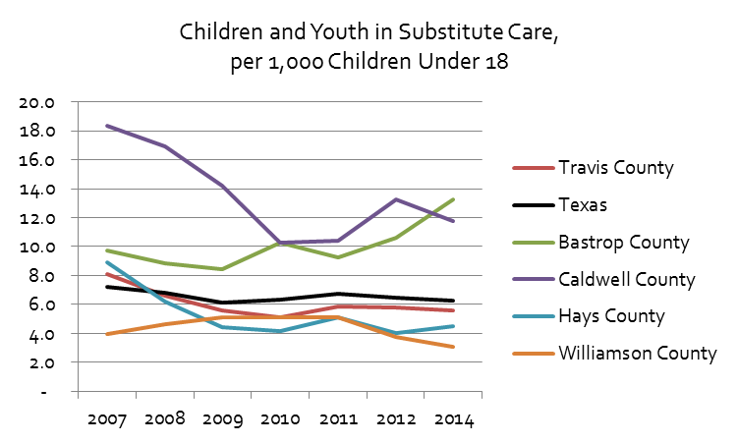
2019 | 283,941 | 7,437,514 | 20,654 | 10,861 | 51,105 | 144,585
2020 | 287,355 | 7,515,129 | 20,808 | 10,970 | 52,771 | 147,318
2021 | 290,389 | 7,594,941 | 20,992 | 11,122 | 54,406 | 150,324

Children and Youth in Substitute Care per 1,000 Children Under 18
 | Travis County | Texas | Bastrop County | Caldwell County | Hays County | Williamson County
2007 | 8.1 | 7.2 | 9.7 | 18.3 | 8.9 | 3.9
2008 | 6.6 | 6.8 | 8.8 | 16.9 | 6.2 | 4.6
2009 | 5.6 | 6.1 | 8.4 | 14.2 | 4.4 | 5.1
2010 | 5.0 | 6.1 | 9.7 | 11.6 | 4.4 | 4.6
2011 | 5.8 | 6.5 | 8.4 | 12.9 | 5.5 | 4.9
2012 | 6.1 | 6.6 | 12.3 | 13.2 | 5.3 | 4.2
2014 | 5.8 | 6.4 | 13.3 | 13.9 | 5.7 | 3.9
2015 | 6.2 | 6.4 | 12.3 | 13.5 | 7.4 | 3.9
2016 | 6.6 | 6.6 | 12.8 | 14.4 | 7.4 | 4.1
2017 | 6.1 | 6.7 | 10.5 | 12.9 | 6.7 | 4.0
2018 | 6.1 | 6.9 | 9.6 | 12.7 | 8.9 | 4.7
2019 | 5.8 | 6.7 | 10.5 | 14.5 | 9.4 | 4.4
2020 | 5.7 | 6.1 | 11.0 | 12.0 | 8.9 | 3.6
2021 | 5.1 | 5.8 | 10.0 | 11.3 | 8.2 | 3.1

Removals by Race-Ethnicity
Removals by Race/Ethnicity, Travis County

 | Number of Removals |  |  |  |  | Total Population |  |  |  |  | Rater per 1,000 Children Under 18
 | African American | Anglo | Hispanic | Native American | Other | African American | Anglo | Hispanic | Native American | Other | African American | Anglo | Hispanic | Native American | Other
2008 | 146 | 60 | 191 | 1 | 11 | 23,497 | 82,337 | 98,597 | 456 | 11,362 | 6.2 | 0.7 | 1.9 | 2.2 | 1.0
2009 | 132 | 68 | 154 | 0 | 14 | 23,360 | 81,335 | 101,250 | 415 | 11,728 | 5.7 | 0.8 | 1.5 | 0.0 | 1.2
2010 | 180 | 101 | 193 | 0 | 9 | 21,930 | 87,795 | 114,643 | 450 | 20,669 | 8.2 | 1.2 | 1.7 | 0.0 | 0.4
2011 | 240 | 111 | 258 | 0 | 16 | 21,961 | 88,790 | 116,604 | 325 | 21,331 | 10.9 | 1.3 | 2.2 | 0.0 | 0.8
2012 | 154 | 130 | 322 | 1 | 38 | 22,058 | 90,091 | 118,803 | 542 | 22,083 | 7.0 | 1.4 | 2.7 | 1.8 | 1.7
2013 | 148 | 130 | 321 | 0 | 40 | 22,212 | 91,666 | 120,962 | 567 | 22,988 | 6.7 | 1.4 | 2.7 | 0.0 | 1.7
2014 | 128 | 126 | 343 | 0 | 34 | 22,416 | 93,140 | 123,082 | 594 | 23,914 | 5.7 | 1.4 | 2.8 | 0.0 | 1.4
2015 | 211 | 123 | 362 |  | 43 | 22,587 | 94,715 | 125,213 |  | 24,817 | 9.3 | 1.3 | 2.9 |  | 1.7
2016 | 168 | 152 | 393 |  | 43 | 22,790 | 96,361 | 127,182 |  | 25,688 | 7.4 | 1.6 | 3.1 |  | 1.7
2017 | 175 | 135 | 350 |  | 32 | 22,973 | 97,955 | 128,931 |  | 26,602 | 7.6 | 1.4 | 2.7 |  | 1.2
2018 | 203 | 123 | 386 |  | 40 | 23,140 | 99,365 | 130,284 |  | 27,489 | 8.8 | 1.2 | 3.0 |  | 1.5
2019 | 187 | 116 | 333 |  | 47 | 23,329 | 100,703 | 131,644 |  | 28,265 | 8.0 | 1.2 | 2.5 |  | 1.7
2020 | 127 | 125 | 370 |  | 45 | 23,520 | 101,824 | 132,988 |  | 29,013 | 5.4 | 1.2 | 2.8 |  | 1.6
2021 | 114 | 73 | 279 |  | 35 | 23,791 | 102,667 | 134,264 |  | 29,667 | 4.8 | 0.7 | 2.1 |  | 1.2

Source: | Removals: Texas Department of Family and Protective Services, Annual Report and Data Book, https://www.dfps.state.tx.us/About_DFPS/Data_Book/Child_Protective_Services/Conservatorship/Removals.asp
 | Total Population: https://www.dfps.state.tx.us/About_DFPS/Data_Book/Child_Protective_Investigations/Populations_at_Risk.asp
Removals per 1,000 Children Under 18

Removals per 1,000 Children Under 18

