By Race
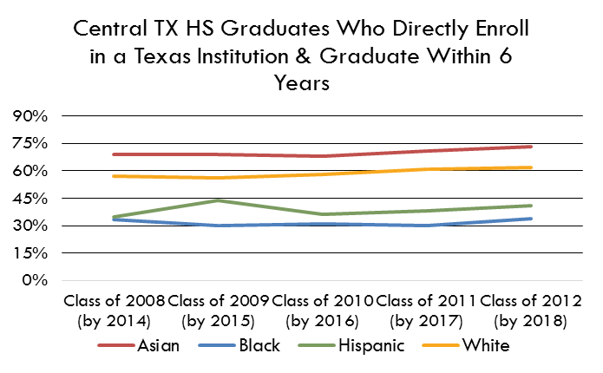
High School Graduation and College Success
 | Class of 2003 (by 2009) | Class of 2004 (by 2010) | Class of 2005 (by 2011) | Class of 2006 (by 2012) | Class of 2007 (by 2013) | Class of 2008 (by 2014) | Class of 2009 (by 2015) | Class of 2010 (by 2016) | Class of 2011 (by 2017) | Class of 2012 (by 2018) | Class of 2013 (by 2019) | Class of 2014 (by 2020) |  | HS Graduation 2018 | College Success 2018
Asian | 69% | 63% | 61% | 70% | 64% | 69% | 68% | 65% | 71% | 72% | 79% | 74% | Asian | 96.0% | 73%
Black | 31% | 30% | 27% | 28% | 32% | 33% | 28% | 29% | 29% | 31% | 34% | 37% | Black | 87.0% | 34%
Hispanic | 35% | 36% | 35% | 33% | 37% | 35% | 33% | 34% | 36% | 39% | 41% | 43% | Hispanic | 89.0% | 41%
Overall | 49% | 48% | 47% | 48% | 48% | 50% | 46% | 47% | 49% | 51% | 53% | 55% | White | 94.0% | 62%
White | 57% | 57% | 57% | 58% | 57% | 57% | 53% | 55% | 59% | 60% | 61% | 63%

Central Texas HS Grads Who Enrolled in a Texas Institution Within One Year of Graduating, and Earn a Credential Within 6 Years
High School Graduation and College Success, Central Texas, 2018

Central TX HS Graduates Who Directly Enroll in a Texas Institution & Graduate Within 6 Years
Central Texas HS Grads Who Enrolled in a Texas Institution Within One Year of Graduating, and Earned a Degree Within 6 Years

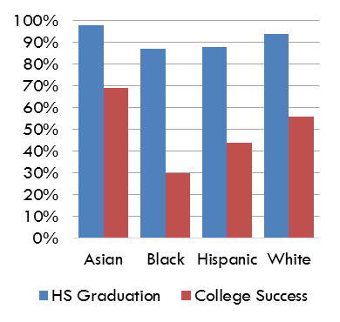

 | HS Graduation | College Success
Asian | 96.0% | 73%
Black | 87.0% | 34%
Hispanic | 89.0% | 41%
White | 94.0% | 62%

