Sheet1
Four Year Graduation Rate for Central Texas by Race/Ethnicity

 |  | Class of 2010 | Class of 2019
 | Asian | 93.7% | 97.1%
 | Black | 72.7% | 85.3%
Four-Year High School Graduation Rate, Central Texas
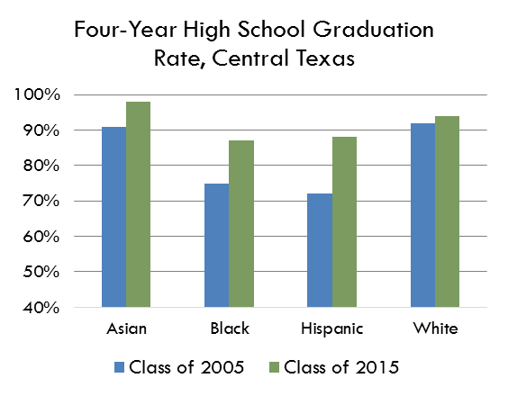
 | Hispanic | 75.5% | 88.8%
 | White | 91.5% | 94.5%

 | BW Gap | 19% | 9%
 | HW Gap | 16.0% | 5.7%

Four year completion rate for grades 9-12 by race/ethnicity

Data Source | E3 Alliance

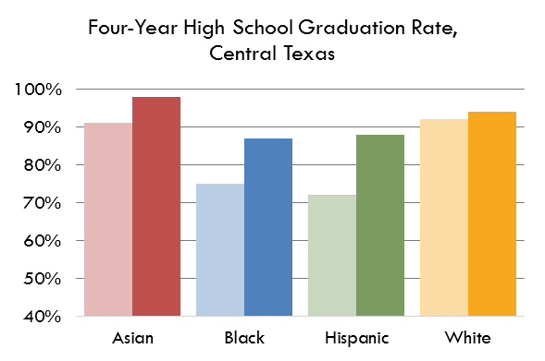
Central Texas Graduation Rate by Race & Ethnicity

