Travis County Pop # & %
Travis County Children & Youth
Travis County Children & Youth Population Estimate Counts
Age | 2006 | 2007 | 2008 | 2009 | 2010 | 2011 | 2012 | 2013 | 2014 | 2015 | 2016 | 2017 | 2018 | 2019
Under 5 years | 74,869 | 78,684 | 82,393 | 81,662 | 76,060 | 78,739 | 79,224 | 78,303 | 78,891 | 79,611 | 79,506 | 78,992 | 78,395 | 76,769
5 to 9 years | 63,015 | 71,648 | 70,959 | 69,084 | 72,842 | 73,495 | 79,473 | 72,997 | 78,969 | 77,291 | 75,467 | 73,687 | 73,167 | 71,732
10 to 14 years | 57,204 | 58,091 | 63,980 | 61,997 | 61,710 | 65,223 | 63,826 | 71,939 | 68,046 | 70,500 | 73,916 | 76,642 | 76,288 | 78,262
15 to 19 years | 63,296 | 64,655 | 65,965 | 60,625 | 67,395 | 66,181 | 67,685 | 68,620 | 69,086 | 71,760 | 72,007 | 73,010 | 74,414 | 77,037
20 to 24 years | 79,211 | 84,954 | 85,408 | 76,072 | 99,041 | 97,814 | 94,375 | 87,348 | 85,647 | 82,291 | 82,164 | 82,069 | 82,762 | 81,524
Total | 337,595 | 358,032 | 368,705 | 349,440 | 377,048 | 381,452 | 384,583 | 379,207 | 380,639 | 381,453 | 383,060 | 384,400 | 385,026 | 385,324

Source: U.S. Census Bureau, American Community Survey 1-Year Estimates, Table DP05: Demographic and Housing Characteristics |  |  |  |  |  |  |  |  |  |  |  |  |  |  | Under 18:
 |  |  |  |  |  |  |  |  |  |  |  |  |  |  | 269,942
Travis County Children & Youth Population as a Percentage of the Whole Population
Age | 2006 | 2007 | 2008 | 2009 | 2010 | 2011 | 2012 | 2013 | 2014 | 2015 | 2016 | 2017 | 2018 | 2019
Under 5 years | 8.1% | 8.1% | 8.3% | 8.0% | 7.4% | 7.4% | 7.2% | 7.0% | 6.90% | 6.80% | 6.60% | 6.40% | 6.28% | 6.15%
5 to 9 years | 6.8% | 7.4% | 7.1% | 6.7% | 7.1% | 6.9% | 7.3% | 6.5% | 6.90% | 6.60% | 6.30% | 6.00% | 5.86% | 5.74%
10 to 14 years | 6.2% | 6.0% | 6.4% | 6.0% | 6.0% | 6.1% | 5.8% | 6.4% | 5.90% | 6.00% | 6.20% | 6.20% | 6.11% | 6.27%
Travis County Children & Youth
15 to 19 years | 6.9% | 6.6% | 6.6% | 5.9% | 6.5% | 6.2% | 6.2% | 6.1% | 6.00% | 6.10% | 6.00% | 6.00% | 5.96% | 6.17%
20 to 24 years | 8.6% | 8.7% | 8.6% | 7.4% | 9.6% | 9.2% | 8.6% | 7.8% | 7.40% | 7.00% | 6.90% | 6.70% | 6.63% | 6.53%
Total | 36.7% | 36.8% | 37.0% | 34.0% | 36.6% | 35.8% | 35.1% | 33.8% | 33.1% | 32.5% | 32.0% | 31.3% | 30.8% | 30.9%

 |  |  |  |  |  |  |  |  |  |  |  |  |  |  | Under 18:
 |  |  |  |  |  |  |  |  |  |  |  |  |  |  | 21.20%

https://data.census.gov/cedsci/table?q=dp05&g=0500000US48453&tid=ACSDP1Y2018.DP05&hidePreview=true

Travis County Children & Youth

Race-Ethnicity Travis 2018
Race & Ethnicity by Age, Travis County, 2019
Travis County | 2019

Under 5
 | Number | Percent |  | Under 5 | Under 18 | 18-64 | 65 and Over
Asian | 4,182 | 5% | Asian | 5% | 6% | 8% | 5%
Black | 6,052 | 8% | Black | 8% | 8% | 8% | 8%
Hispanic | 35,064 | 46% | Hispanic | 46% | 46% | 32% | 18%
White | 28,414 | 37% | Other | 4% | 5% | 2% | 1%
Other | 3,057 | 4% | White | 37% | 36% | 50% | 68%

Total | 76,769

Under 18
 | Number | Percent
Asian | 14,886 | 6% |  | Under 18 | 18-64 | 65 and Over |  | Total | Total Under 18 | total 18-64 | total 65 and up | Total
Black | 20,691 | 8% | Asian | 6% | 8% | 5% |  | 0.068539366414
Hispanic | 124,245 | 46% | Black | 8% | 8% | 8% |  | 0.081684268035
White | 97,845 | 36% | Hispanic | 46% | 32% | 18% |  | 0.33641010586
Race & Ethnicity by Age, Travis County, 2019
Other | 12,275 | 5% | Other | 5% | 2% | 1% |  | 0.025454608251
 |  |  | White | 36% | 50% | 68% |  | 0.48791165144
Total | 269,942

18-64

Asian Alone, Not Hispanic or Latino | 65865 | 8%
Black or African-American Alone, Not Hispanic or Latino | 73,561 | 8%
Hispanic or Latino | 280,944 | 32%
White Alone, Not Hispanic or Latino | 435,473 | 50%
Other Race or Two or More Races | 18,731 | 2%
Race & Ethnicity by Age, Travis County, 2019
Total | 874,574

65 and Over

Asian Alone, Not Hispanic or Latino | 6,565 | 5%
Black or African-American Alone, Not Hispanic or Latino | 9,810 | 8%
Hispanic or Latino | 23,382 | 18%
White Alone, Not Hispanic or Latino | 88,259 | 68%
Other Race or Two or More Races | 1,422 | 1%

Total | 129,438
Race & Ethnicity by Age, Travis County, 2019

Total Population

Asian | 7% | 87,316
Black | 8% | 104,062
Hispanic | 34% | 428,571
White | 49% | 621,577
Other | 3% | 32,428

Total | 1,273,954 | 1,273,954

Source: Table B01001: SEX BY AGE, U.S. Census Bureau, American Community Survey, 1-Year Estimates

Travis County | 2018
Race & Ethnicity by Age, Travis County, 2018
Under 5
 | Number | Percent |  | Under 5 | Under 18 | 18-64 | 65 and Over
Asian | 4,158 | 5% | Asian | 5% | 6% | 8% | 5%
Black | 6,844 | 9% | Black | 9% | 9% | 8% | 7%
Hispanic | 36,152 | 46% | Hispanic | 46% | 47% | 31% | 17%
White | 28,360 | 36% | Other | 4% | 3% | 2% | 6%
Other | 2,881 | 4% | White | 36% | 36% | 49% | 65%

Total | 78,395

Under 18
 | Number | Percent
Asian | 15,241 | 6% |  | Under 18 | 18-64 | 65 and Over
Black | 25,037 | 9% | Asian | 6% | 8% | 5%
Hispanic | 125,818 | 47% | Black | 9% | 8% | 7%
White | 96,551 | 36% | Hispanic | 47% | 31% | 17%
Race & Ethnicity by Age, Travis County, 2018
Other | 7,888 | 3% | Other | 3% | 2% | 6%
 |  |  | White | 36% | 49% | 65%
Total | 270,535

18-64

Asian Alone, Not Hispanic or Latino | 65706 | 8%
Black or African-American Alone, Not Hispanic or Latino | 69,602 | 8%
Hispanic or Latino | 275,075 | 31%
White Alone, Not Hispanic or Latino | 427,529 | 49%
Other Race or Two or More Races | 16,862 | 2%
Race & Ethnicity by Age, Travis County, 2018
Total | 854,774

65 and Over

Asian Alone, Not Hispanic or Latino | 6,235 | 5%
Black or African-American Alone, Not Hispanic or Latino | 9,518 | 7%
Hispanic or Latino | 21,905 | 17%
White Alone, Not Hispanic or Latino | 84,528 | 65%
Other Race or Two or More Races | 7,333 | 6%

Total | 129,519
Race & Ethnicity by Age, Travis County, 2018

Total Population

Asian | 7% | 87,182
Black | 8% | 104,157
Hispanic | 33% | 422,798
White | 48% | 608,608
Other | 3% | 32,083

Total | 1,254,828 | 1,254,828

Source: Table B01001: SEX BY AGE, U.S. Census Bureau, American Community Survey, 1-Year Estimates

Travis County | 2016

Under 5
 | Number | Percent
Asian | 4,507 | 6%
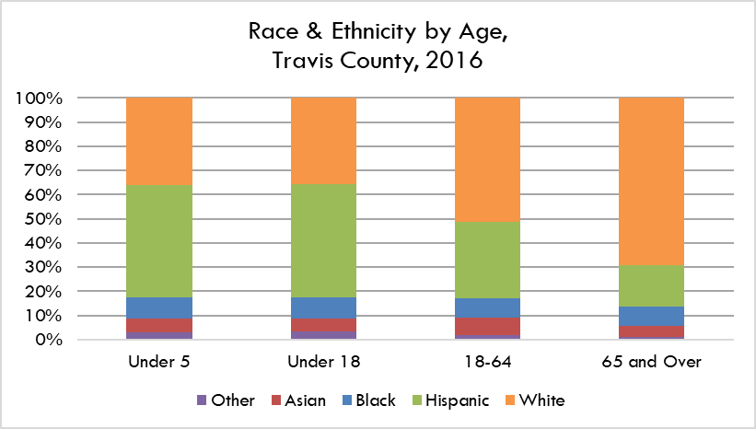
Black | 6,989 | 9%
Hispanic | 36,832 | 46%
White | 28,725 | 36%
Other | 2,453 | 3%

Total | 79,506

Under 18
 | Number | Percent
Asian | 14,139 | 5%
Black | 24,407 | 9%
Hispanic | 126,430 | 47%
White | 95,896 | 36%
Other | 8,965 | 3%

Total | 269,837
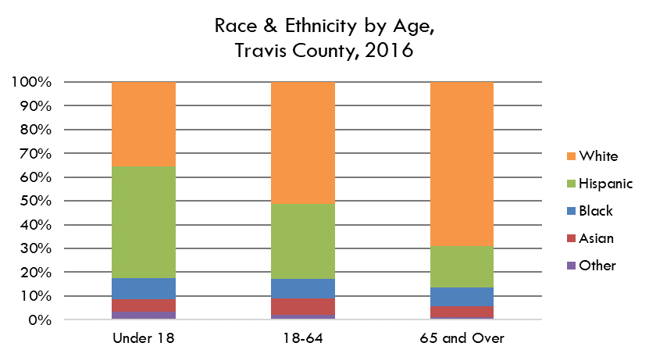

18-64

Asian Alone, Not Hispanic or Latino | 57695 | 7%
Black or African-American Alone, Not Hispanic or Latino | 66,471 | 8%
Hispanic or Latino | 260,278 | 30%
White Alone, Not Hispanic or Latino | 420,040 | 48%
Other Race or Two or More Races | 16,575 | 2%

Total | 821,059

65 and Over

Asian Alone, Not Hispanic or Latino | 4,915 | 4%
Black or African-American Alone, Not Hispanic or Latino | 8,571 | 7%
Hispanic or Latino | 18,739 | 14%
White Alone, Not Hispanic or Latino | 74,909 | 58%
Other Race or Two or More Races | 1,293 | 1%

Total | 108,427

Total Population

Asian | 6% | 76,749
Black | 8% | 99,449
Hispanic | 32% | 405,447
White | 46% | 590,845
Other | 2% | 26,833

Total | 1,199,323 | 1,199,323

Under 18 Poverty
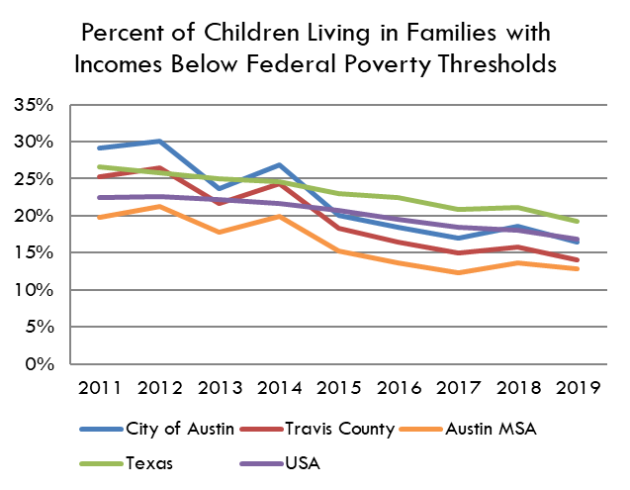
 | 2005 | 2006 | 2007 | 2008 | 2009 | 2010 | 2011 | 2012 | 2013 | 2014 | 2015 | 2016 | 2017 | 2018 | 2019
City of Austin | 26% | 25% | 24% | 22% | 27% | 28% | 29% | 30% | 24% | 27% | 20% | 18% | 17% | 19% | 16%
Travis County | 21% | 20% | 19% | 19% | 23% | 26% | 25% | 26% | 22% | 24% | 18% | 17% | 15% | 16% | 14%
Austin MSA | 17% | 16% | 16% | 16% | 19% | 20% | 20% | 21% | 18% | 20% | 15% | 14% | 12% | 14% | 13%
Texas | 25% | 24% | 23% | 23% | 24% | 26% | 27% | 26% | 25% | 25% | 23% | 22% | 21% | 21% | 19%
USA | 19% | 18% | 18% | 18% | 20% | 22% | 23% | 23% | 22% | 22% | 21% | 20% | 18% | 18% | 17%

Source: American Community Survey, 1-Year Estimates - S1701 Poverty Status in the Past 12 Months

Percent of Children Living in Families with Incomes Below Federal Poverty Thresholds

Austin MSA Poverty
Percent of Children Living in Families with Incomes Below Federal Poverty Thresholds
% of Children Under 18 Living Below the Poverty Level
 | Travis County | Bastrop County | Hays County | Williamson County | Austin MSA
2006 | 20.4% | 12.8% | 9.0% | 7.9% | 16.0%
2007 | 18.7% | 17.0% | 13.1% | 7.8% | 15.8%
2008 | 19.1% | 17.6% | 15.1% | 7.2% | 15.6%
2009 | 23.2% | 20.7% | 22.2% | 7.2% | 18.7%
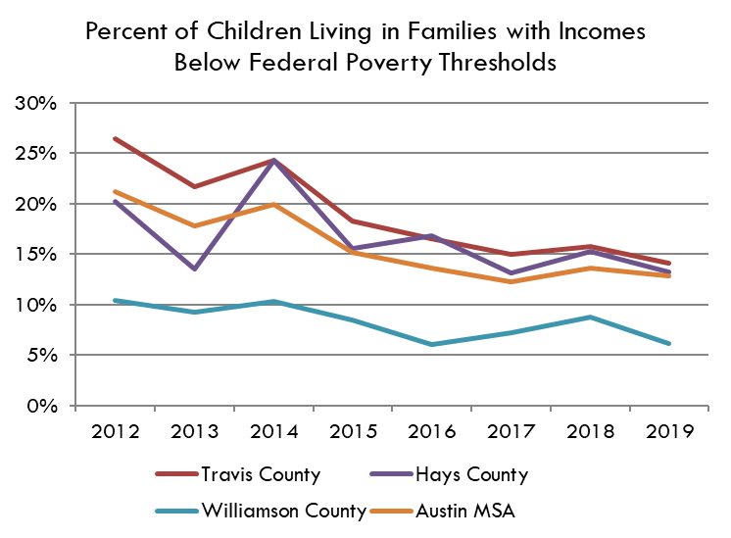
2010 | 25.5% | 28.4% | 8.5% | 11.3% | 20.1%
2011 | 25.3% | 10.5% | 20.2% | 9.1% | 19.8%
2012 | 26.4% | 16.9% | 20.2% | 10.4% | 21.2%
2013 | 21.7% | 33.0% | 13.5% | 9.2% | 17.8%
2014 | 24.3% | 17.7% | 24.3% | 10.3% | 19.9%
2015 | 18.3% | 11.7% | 15.6% | 8.5% | 15.2%
2016 | 16.5% | 13.1% | 16.8% | 6.0% | 13.6%
2017 | 15.0% | 7.4% | 13.1% | 7.2% | 12.3%
2018 | 15.8% | 14.3% | 15.3% | 8.8% | 13.6%
2019 | 14.1% | 36.8% | 13.2% | 6.1% | 12.8%

Source: ACS 1-Year Estimates, S1701

Children by Family Type
Number
 | 2019
 | Estimate | Margin of Error | Lower Estimate | Upper Estimate | Coefficient of Variation
Total: | 269,300 | 745 | 268,555 | 270,045 | 0%
Married-couple household | 191,933 | 6,113 | 185,820 | 198,046 | 2%
Cohabiting couple household | 18,035 | 4,434 | 13,601 | 22,469 | 15%
In male householder, no spouse/partner present household | 14,191 | 3,992 | 10,199 | 18,183 | 17%
In female householder, no spouse/partner present household | 45,141 | 6,074 | 39,067 | 51,215 | 8%

Percent
 | Estimate | Margin of Error | Lower Estimate | Upper Estimate | Coefficient of Variation
Married-couple household | 71.3% | 2.3% | 69.0% | 73.5% | 2%
Cohabiting couple household | 7% | 1.6% | 5% | 8% | 15%
In male householder, no spouse/partner present household | 5% | 1.5% | 4% | 7% | 17%
In female householder, no spouse/partner present household | 17% | 2.3% | 15% | 19% | 8%

Source: U.S. Census Bureau, American Community Survey, 1-Year Estimates, Table B09005: Household Type for Children Under 18 Years in Households (Excluding Householders, Spouses, and Unmarried Partners)

Household Type for Children Under 18 in Travis County, 2019

Where Children Live
Household Type for Children under 18 in Travis County
 | Total | In Married-Couple Family | In Male Householder Family | In Female Householder Family | In Nonfamily Household
2006 | 227,185 | 67% | 6% | 26% | 0% | 100%
2007 | 243,185 | 67% | 7% | 25% | 0% | 100%
2008 | 250,642 | 67% | 7% | 26% | 1% | 100%
2009 | 246,246 | 68% | 7% | 24% | 0% | 100%
2010 | 245,440 | 64% | 8% | 27% | 1% | 100%
2011 | 253,410 | 67% | 6% | 27% | 0% | 100%
2012 | 259,810 | 65% | 8% | 26% | 1% | 100%
2013 | 260,572 | 67% | 6% | 26% | 1% | 100%
2014 | 264,198 | 67% | 7% | 24% | 1% | 100%
2015 | 267,433 | 72% | 5% | 22% | 1% | 100%
2016 | 269,117 | 68% | 5% | 22% | 1% | 95%
2017 | 270,661 | 67% | 5% | 22% | 1% | 95%
2018 | 269,721 | 68% | 5% | 22% | 1% | 95%

 | Total | In Married-Couple Family | Cohabitating Couple Household | In Female Householder Family | In Male Householder Family
2019 | 269,300 | 71% | 7% | 17% | 5% | 100%

Source: U.S. Census Burea, American Community Survey 1 Year Estimates, B09005

% of Household Type w/own Children under 18 Below Poverty Level in Travis County
 | Married-Couple Family | Male Householder Family | Female Householder Family
2006 | 9% | 11% | 34%
2007 | 8% | 16% | 34%
2008 | 8% | 24% | 30%
2009 | 10% | 28% | 40%
2010 | 11% | 19% | 44%
2011 | 10% | 30% | 48%
2012 | 10% | 26% | 46%
2013 | 9% | 23% | 36%
2014 | 10% | 19% | 41%
2015 | 7% | 8% | 40%
2016 | 4% | 10% | 35%
2017 | 6% | 7% | 30%
2018 | 8% | 8% | 36%
2019 | 4% | 18% | 37%

Source: ACS 1 Year Estimates, C17023

% of Households w/Children under 18 below Poverty Level in Travis County by Household Type
Where Children under 18 in Travis County Live

Poverty by Family Type
Number Below Poverty Level
 | 2005 | 2006 | 2007 | 2008 | 2009 | 2010 | 2011 | 2012 | 2013 | 2014 | 2015 | 2016 | 2017 | 2018 | 2019
Married-Couple | 13,927 | 18,564 | 16,811 | 18,367 | 21,585 | 21,871 | 22,537 | 22,575 | 21,806 | 24,671 | 17,445 | 12,927 | 16,721 | 17,110 | 8,320
Male Householder, No Wife | 4,614 | 1,801 | 3,685 | 4,436 | 6,075 | 4,601 | 5,969 | 6,505 | 4,108 | 5,860 | 1,343 | 1,306 | 1,305 | 2,127 | 5,052
Female Householder, No Husband | 25,922 | 24,853 | 24,383 | 24,008 | 28,510 | 34,863 | 34,594 | 38,492 | 28,320 | 32,026 | 29,530 | 29,590 | 20,867 | 22,181 | 22,741

Percent of Total Related Children in Household Type Below Poverty Level
 | 2005 | 2006 | 2007 | 2008 | 2009 | 2010 | 2011 | 2012 | 2013 | 2014 | 2015 | 2016 | 2017 | 2018 | 2019
Married-Couple | 10% | 12% | 10% | 11% | 13% | 14% | 13% | 13% | 13% | 14% | 9% | 7% | 9% | 9% | 4%
Male Householder, No Wife | 31% | 14% | 20% | 25% | 35% | 25% | 38% | 32% | 26% | 30% | 10% | 9% | 8% | 9% | 23%
Percent of Related Children Living in Familes with Incomes Below the Poverty Level, by Household Type, Travis County
Female Householder, No Husband | 50% | 42% | 40% | 38% | 48% | 52% | 52% | 57% | 43% | 50% | 51% | 41% | 37% | 40% | 44%

Source: U.S. Census Bureau, American Community Survey, 1-Year Estimates, Table B17006: POVERTY STATUS IN THE PAST 12 MONTHS OF RELATED CHILDREN UNDER 18 YEARS BY FAMILY TYPE BY AGE OF RELATED CHILDREN UNDER 18 YEARS

2019
Total Children |  |  | Estimate | MOE | CV
Married-Couple |  |  | 191,418 | 7,612 | 2% |  | 72%
Male Householder, No Wife |  |  | 21,669 | 5,051 | 14% |  | 8%
Female Householder, No Husband |  |  | 51,774 | 6,717 | 8% |  | 20%
 |  |  |  |  |  |  |  |  | Number |  |  | 2005 | 2006 | 2007 | 2008 | 2009 | 2010 | 2011 | 2012 | 2013 | 2014 | 2015 | 2016 | 2017 | 2018 | 2019
Percent of Children Below Poverty Level |  |  | Estimate | MOE | CV |  |  |  | Married-Couple |  |  | 144,561 | 151,820 | 163,235 | 166,273 | 167,169 | 157,314 | 169,522 | 168,093 | 173,875 | 177,376 | 193,068 | 181,548 | 194,425 | 185,410 | 191,418
Married-Couple |  |  | 4% | 2% | 25% |  |  |  | Male Householder, No Wife |  |  | 14,852 | 13,187 | 17,981 | 18,019 | 17,412 | 18,667 | 15,578 | 20,201 | 15,975 | 19,284 | 13,681 | 14,554 | 17,343 | 24,260 | 21,669
Male Householder, No Wife |  |  | 23% | 14% | 37% |  |  |  | Female Householder, No Husband |  |  | 52,355 | 59,390 | 60,306 | 63,870 | 59,548 | 67,018 | 66,451 | 68,004 | 65,420 | 64,036 | 58,290 | 71,344 | 56,281 | 56,151 | 51,774
Female Householder, No Husband |  |  | 44% | 11% | 16%
 |  |  |  |  |  |  |  |  | MOE |  |  | 2005 | 2006 | 2007 | 2008 | 2009 | 2010 | 2011 | 2012 | 2013 | 2014 | 2015 | 2016 | 2017 | 2018 | 2019
 |  |  |  |  |  |  |  |  | Married-Couple |  |  | 8,160 | 6,824 | 7,700 | 7,640 | 7,531 | 7,382 | 9,448 | 8,393 | 7,922 | 7,190 | 7,753 | 8,633 | 9,024 | 8297 | 7,612
2018 |  |  |  |  |  |  |  |  | Male Householder, No Wife |  |  | 3,867 | 2,627 | 3,945 | 3,157 | 3,327 | 3,741 | 3,767 | 4,151 | 3,721 | 4,171 | 3,004 | 3,673 | 4,162 | 5241 | 5,051
Percent of Related Children Living in Familes with Incomes Below the Poverty Level, by Household Type, Travis County
Total Children |  |  | Estimate | MOE | CV |  |  |  | Female Householder, No Husband |  |  | 6,016 | 6,836 | 6,466 | 6,885 | 6,636 | 6,290 | 7,656 | 7,696 | 7,378 | 5,768 | 6,868 | 8,555 | 6,783 | 7408 | 6,717
Married-Couple |  |  | 185,410 | 8297 | 3% |  | 70%
Male Householder, No Wife |  |  | 24,260 | 5241 | 13% |  | 9% |  | Number |  |  | 2005 | 2006 | 2007 | 2008 | 2009 | 2010 | 2011 | 2012 | 2013 | 2014 | 2015 | 2016 | 2017 | 2018 | 2019
Female Householder, No Husband |  |  | 56,151 | 7408 | 8% |  | 21% |  | Married-Couple |  |  | 10% | 12% | 10% | 11% | 13% | 14% | 13% | 13% | 13% | 14% | 9% | 7% | 9% | 9% | 4%
 |  |  |  |  |  |  |  |  | Male Householder, No Wife |  |  | 31% | 14% | 20% | 25% | 35% | 25% | 38% | 32% | 26% | 30% | 10% | 9% | 8% | 9% | 23%
Percent of Children Below Poverty Level |  |  | Estimate | MOE | CV |  |  |  | Female Householder, No Husband |  |  | 50% | 42% | 40% | 38% | 48% | 52% | 52% | 57% | 43% | 50% | 51% | 41% | 37% | 40% | 44%
Married-Couple |  |  | 9% | 2% | 15%
Male Householder, No Wife |  |  | 9% | 5% | 37% |  |  |  | MOE |  |  | 2005 | 2006 | 2007 | 2008 | 2009 | 2010 | 2011 | 2012 | 2013 | 2014 | 2015 | 2016 | 2017 | 2018 | 2019
Female Householder, No Husband |  |  | 40% | 10% | 16% |  |  |  | Married-Couple |  |  | 2% | 3% | 2% | 3% | 3% | 3% | 3% | 3% | 2% | 2% | 2% | 2% | 3% | 2% | 2%
 |  |  |  |  |  |  |  |  | Male Householder, No Wife |  |  | 16% | 7% | 10% | 9% | 10% | 12% | 16% | 12% | 12% | 14% | 6% | 7% | 7% | 5% | 14%
 |  |  |  |  |  |  |  |  | Female Householder, No Husband |  |  | 7% | 6% | 6% | 6% | 6% | 6% | 6% | 6% | 6% | 7% | 9% | 8% | 9% | 10% | 11%
Number of Related Children Living in Familes with Incomes Below the Poverty Level, by Household Type, Travis County
2017
Total Children |  |  | Estimate | MOE | CV
Percent of Related Children Living in Familes with Incomes Below the Poverty Level, by Household Type, Travis County
Married-Couple |  |  | 194,425 | 9,024 | 3% |  | 73%
Male Householder, No Wife |  |  | 17,343 | 4,162 | 15% |  | 6%
Female Householder, No Husband |  |  | 56,281 | 6,783 | 7% |  | 21%

Percent of Children Below Poverty Level |  |  | Estimate | MOE | CV
Married-Couple |  |  | 9% | 3% | 21%
Male Householder, No Wife |  |  | 8% | 7% | 57%
Female Householder, No Husband |  |  | 37% | 9% | 15%

2016
Total Children |  |  | Estimate | MOE | CV
Married-Couple |  |  | 181,548 | 8,633 | 3% |  | 68%
Male Householder, No Wife |  |  | 14,554 | 3,673 | 15% |  | 5%
Female Householder, No Husband |  |  | 71,344 | 8,555 | 7% |  | 27%

Percent of Children Below Poverty Level |  |  | Estimate | MOE | CV
Married-Couple |  |  | 7% | 2% | 17%
Male Householder, No Wife |  |  | 9% | 7% | 50%
Female Householder, No Husband |  |  | 41% | 8% | 11%
Number of Related Children Living in Familes with Incomes Below the Poverty Level, by Household Type, Travis County

2015
Total Children |  |  | Estimate | MOE | CV
Married-Couple |  |  | 193,068 | 7,753 | 2% |  | 73%
Male Householder, No Wife |  |  | 13,681 | 3,004 | 13% |  | 5%
Female Householder, No Husband |  |  | 58,290 | 6,868 | 7% |  | 22%

Percent of Children Below Poverty Level |  |  | Estimate | MOE | CV
Married-Couple |  |  | 9% | 2% | 13%
Male Householder, No Wife |  |  | 10% | 6% | 35%
Female Householder, No Husband |  |  | 51% | 9% | 11%

2014
Total Children |  |  | Estimate | MOE | CV
Married-Couple |  |  | 177,376 | 7,190 | 2% |  | 68%
Male Householder, No Wife |  |  | 19,284 | 4,171 | 13% |  | 7%
Female Householder, No Husband |  |  | 64,036 | 5,768 | 5% |  | 25%

Percent of Children Below Poverty Level |  |  | Estimate | MOE | CV
Married-Couple |  |  | 14% | 2% | 10%
Male Householder, No Wife |  |  | 30% | 14% | 27%
Female Householder, No Husband |  |  | 50% | 7% | 8%

2013
Total Children |  |  | Estimate | MOE | CV
Married-Couple |  |  | 173,875 | 7,922 | 3% |  | 68%
Male Householder, No Wife |  |  | 15,975 | 3,721 | 14% |  | 6%
Female Householder, No Husband |  |  | 65,420 | 7,378 | 7% |  | 26%

Percent of Children Below Poverty Level |  |  | Estimate | MOE | CV
Married-Couple |  |  | 13% | 2% | 11%
Male Householder, No Wife |  |  | 26% | 12% | 27%
Female Householder, No Husband |  |  | 43% | 6% | 9%

2012
Total Children |  |  | Estimate | MOE | CV
Married-Couple |  |  | 168,093 | 8,393 | 3% |  | 66%
Male Householder, No Wife |  |  | 20,201 | 4,151 | 12% |  | 8%
Female Householder, No Husband |  |  | 68,004 | 7,696 | 7% |  | 27%

Percent of Children Below Poverty Level |  |  | Estimate | MOE | CV
Married-Couple |  |  | 13% | 3% | 13%
Male Householder, No Wife |  |  | 32% | 12% | 23%
Female Householder, No Husband |  |  | 57% | 6% | 7%

2011
Total Children |  |  | Estimate | MOE | CV
Married-Couple |  |  | 169,522 | 9,448 | 3%
Male Householder, No Wife |  |  | 15,578 | 3,767 | 15%
Female Householder, No Husband |  |  | 66,451 | 7,656 | 7%

Percent of Children Below Poverty Level |  |  | Estimate | MOE | CV
Married-Couple |  |  | 13% | 3% | 14%
Male Householder, No Wife |  |  | 38% | 16% | 26%
Female Householder, No Husband |  |  | 52% | 6% | 7%

2010
Total Children |  |  | Estimate | MOE | CV
Married-Couple |  |  | 157,314 | 7,382 | 3%
Male Householder, No Wife |  |  | 18,667 | 3,741 | 12%
Female Householder, No Husband |  |  | 67,018 | 6,290 | 6%

Percent of Children Below Poverty Level |  |  | Estimate | MOE | CV
Married-Couple |  |  | 14% | 3% | 11%
Male Householder, No Wife |  |  | 25% | 12% | 29%
Female Householder, No Husband |  |  | 52% | 6% | 7%

2009
Total Children |  |  | Estimate | MOE | CV
Married-Couple |  |  | 167,169 | 7,531 | 3%
Male Householder, No Wife |  |  | 17,412 | 3,327 | 12%
Female Householder, No Husband |  |  | 59,548 | 6,636 | 7%

Percent of Children Below Poverty Level |  |  | Estimate | MOE | CV
Married-Couple |  |  | 13% | 3% | 12%
Male Householder, No Wife |  |  | 35% | 10% | 18%
Female Householder, No Husband |  |  | 48% | 6% | 8%

2008
Total Children |  |  | Estimate | MOE | CV
Married-Couple |  |  | 166,273 | 7,640 | 3%
Male Householder, No Wife |  |  | 18,019 | 3,157 | 11%
Female Householder, No Husband |  |  | 63,870 | 6,885 | 7%

Percent of Children Below Poverty Level |  |  | Estimate | MOE | CV
Married-Couple |  |  | 11% | 3% | 14%
Male Householder, No Wife |  |  | 25% | 9% | 22%
Female Householder, No Husband |  |  | 38% | 6% | 9%

2007
Total Children |  |  | Estimate | MOE | CV
Married-Couple |  |  | 163,235 | 7,700 | 3%
Male Householder, No Wife |  |  | 17,981 | 3,945 | 13%
Female Householder, No Husband |  |  | 60,306 | 6,466 | 7%

Percent of Children Below Poverty Level |  |  | Estimate | MOE | CV
Married-Couple |  |  | 10% | 2% | 14%
Male Householder, No Wife |  |  | 20% | 10% | 28%
Female Householder, No Husband |  |  | 40% | 6% | 9%

2006
Total Children |  |  | Estimate | MOE | CV
Married-Couple |  |  | 151,820 | 6,824 | 3%
Male Householder, No Wife |  |  | 13,187 | 2,627 | 12%
Female Householder, No Husband |  |  | 59,390 | 6,836 | 7%

Percent of Children Below Poverty Level |  |  | Estimate | MOE | CV
Married-Couple |  |  | 12% | 3% | 13%
Male Householder, No Wife |  |  | 14% | 7% | 30%
Female Householder, No Husband |  |  | 42% | 6% | 9%

2005
Total Children |  |  | Estimate | MOE | CV
Married-Couple |  |  | 144,561 | 8,160 | 3%
Male Householder, No Wife |  |  | 14,852 | 3,867 | 16%
Female Householder, No Husband |  |  | 52,355 | 6,016 | 7%

Percent of Children Below Poverty Level |  |  | Estimate | MOE | CV
Married-Couple |  |  | 10% | 2% | 13%
Male Householder, No Wife |  |  | 31% | 16% | 32%
Female Householder, No Husband |  |  | 50% | 7% | 9%

Language
Language Spoken at Home, Children 5-17 Years Old, Travis County, 2019
Language Spoken at Home, Travis County, 5-17 years old
 | Total 5-17 | Only English | Spanish | Other Indo-European Languages | Asian & Pacific Island Languages | Other Languages
2005 | 145427 | 68% | 27% | 2% | 3% | 0%
2006 | 153288 | 68% | 28% | 2% | 2% | 1%
2007 | 164925 | 66% | 28% | 2% | 3% | 1%
2008 | 170802 | 67% | 27% | 2% | 3% | 1%
2009 | 164793 | 68% | 28% | 2% | 2% | 0%
2010 | 170499 | 66% | 29% | 1% | 3% | 0%
2011 | 175371 | 61% | 34% | 2% | 3% | 0%
2012 | 180864 | 66% | 29% | 1% | 2% | 1%
2013 | 183101 | 64% | 31% | 1% | 3% | 1%
2014 | 186318 | 63% | 32% | 2% | 2% | 0%
2015 | 188331 | 65% | 29% | 2% | 3% | 1%
2016 | 190331 | 65% | 29% | 2% | 3% | 1%
2017 | 192,411 | 66% | 29% | 2% | 3% | 1%
2018 | 192140 | 66% | 28% | 2% | 2% | 1%
2019 | 193,173 | 66% | 28% | 3% | 3% | 0%

Source: U.S. Census Burea, American Community Survey 1-Year Estimates, B16007
https://data.census.gov/cedsci/table?q=b16007&g=0500000US48453&tid=ACSDT1Y2019.B16007&hidePreview=true

Households over Time
Households w/own Children under 18 in Travis County
Families with Children under 18 in Travis County
 | 2006 | 2007 | 2008 | 2009 | 2010 | 2011 | 2012 | 2013 | 2014 | 2015 | 2016 | 2017 | 2018 | 2019
Families w/children under 18 | 29.0% | 29.9% | 30.7% | 30.8% | 30.6% | 28.0% | 28.1% | 28.0% | 27.4% | 28.1% | 26.6% | 27.2% | 28.4% | 26.9%
Married-couple family w/children under 18 | 20.0% | 20.5% | 21.2% | 21.4% | 20.2% | 19.5% | 18.8% | 19.3% | 18.7% | 20.6% | 18.8% | 20.3% | 20.5% | 20.0%
Single Male w/children under 18 | 1.9% | 2.4% | 2.4% | 2.3% | 2.3% | 1.8% | 2.5% | 1.8% | 2.0% | 1.8% | 1.6% | 1.8% | 2.4% | 2.1%
Single Female w/children under 18 | 7.1% | 7.1% | 7.1% | 7.1% | 8.1% | 6.6% | 6.7% | 6.9% | 10.7% | 5.6% | 6.2% | 5.0% | 5.4% | 4.8%
Grandparents respondible for grandchildren under 18 | 42.9% | 38.0% | 37.6% | 41.8% | 39.6% | 44.1% | 31.0% | 1.5% | 2.1% | 1.3% | 1.9% | 1.7% | 1.4% | 1.0%

Source: U.S. Census Bureau, American Community Survey 1-Year Estimates, S1101

For Grandparents info: |  | B10050

Travis County below Poverty Rac
Children Living in Families with Incomes Below Federal Poverty Thresholds, Travis County by Race/Ethnicity
 | Black | Hispanic or Latino | White | Asian
2007 | 34.1% | 29.8% | 5.1%
2008 | 42.7% | 27.6% | 5.5%
2009 | 29.9% | 39.1% | 5.5%
2010 | 38.8% | 40.0% | 5.3%
2011 | 35.6% | 41.0% | 4.8%
2012 | 44.8% | 40.1% | 7.8%
2013 | 27.8% | 34.7% | 6.0% | 8.3%
Percent under 18 Living in Families with Incomes Below Federal Poverty Thresholds, Travis County
 | Black | Hispanic or Latino | White | Asian
2007 | 34.1% | 29.8% | 5.1%
2008 | 42.7% | 27.6% | 5.5%
2009 | 29.9% | 39.1% | 5.5%
2010 | 38.8% | 40.0% | 5.3%
2011 | 35.6% | 41.0% | 4.8%
2012 | 44.8% | 40.1% | 7.8%
2013 | 27.8% | 34.7% | 6.0% | 8.3%

% under 18 below poverty

Source: ACS 1-Year Estimates, S0201
Data for the Asian population was unavailable reported until 2013
Black, White, and Asian refer to the Race Alone, Not Hispanic or Latino Population

Year | Hispanic | Margin of Error | Hispanic - Lower Estimate | Hispanic - Upper Estimate
2007 | 29.8% | 4.7% | 25.1% | 34.5%
2008 | 27.6% | 4.4% | 23.2% | 32.0%
2009 | 39.1% | 4.5% | 34.6% | 43.6%
2010 | 40.0% | 4.4% | 35.6% | 44.4%
2011 | 41.0% | 5.8% | 35.2% | 46.8%
2012 | 40.1% | 4.3% | 35.8% | 44.4%
2013 | 34.7% | 4.5% | 30.2% | 39.2%

Year | White | Margin of Error | White - Lower Estimate | White - Upper Estimate
2007 | 5.1% | 2.1% | 3.0% | 7.2%
2008 | 5.5% | 2.2% | 3.3% | 7.7%
2009 | 5.5% | 1.8% | 3.7% | 7.3%
2010 | 5.3% | 1.5% | 3.8% | 6.8%
2011 | 4.8% | 2.0% | 2.8% | 6.8%
2012 | 7.8% | 2.5% | 5.3% | 10.3%
2013 | 5.8% | 1.5% | 4.3% | 7.3%

Year | Black | Margin of Error | Black - Lower Estimate | Black - Upper Estimate
2007 | 34.1% | 11.7% | 22.4% | 45.8%
2008 | 42.7% | 9.5% | 33.2% | 52.2%
2009 | 29.9% | 10.5% | 19.4% | 40.4%
2010 | 38.8% | 10.4% | 28.4% | 49.2%
2011 | 35.6% | 10.9% | 24.7% | 46.5%
2012 | 44.8% | 12.3% | 32.5% | 57.1%
2013 | 27.8% | 9.1% | 18.7% | 36.9%

Year | Asian | Margin of Error | Asian - Lower Estimate | Asian- Upper Estimate
2008
2009
2010
2011
2012
2013 | 8.3% | 5.6% | 2.7% | 13.9%

